DOE
Guidance on predictive analysis
Our study goal is to identify whether a mushroom is poisonous or not to lower the risk of people eating poisonous mushrooms.. We have a database of 8124 rows and 23 variables. 21 variables are categorical and 2 are numeric. The target variable is 0 and 1 where 1 indicates that a mushroom is poisonous and 0 indicates otherwise. The database is very balanced as the poisonous mushrooms is about 50% of the entire records.
The primary focus is to achieve low false negative, high specificity and high accuracy in our model. We also aim to strike a balance between precision and sensitivity. After evaluating multiple models, we have found that the xxx model demonstrates decent performance in terms of the Accuracy, FNR, F1 , F0.5 and MCC scores.
Guidance on predictive analysis
Our study goal is to identify whether a mushroom is poisonous or not to lower the risk of people eating poisonous mushrooms.. We have a database of 8124 rows and 23 variables. 21 variables are categorical and 2 are numeric. The target variable is 0 and 1 where 1 indicates that a mushroom is poisonous and 0 indicates otherwise. The database is very balanced as the poisonous mushrooms is about 50% of the entire records.
The primary focus is to achieve low false negative, high specificity and high accuracy in our model. We also aim to strike a balance between precision and sensitivity. After evaluating multiple models, we have found that the xxx model demonstrates decent performance in terms of the Accuracy, FNR, F1 , F0.5 and MCC scores.

 |  |  |  |  | MATLAB (TESTING CONFUSION MATRIX) |  |  |  |  |  | Computed Criteria
Method | # of Cross Validation | Test Data Size (%) | # of Features | Feature selected | Time (sec) | Hyperparameter/min classification error | TP (Top Left) | TN (Bot Right) | FP (Bot Left) | FN (Top Right) | Accuracy | TPR | TNR | PPV | NPV | FNR | FPR | FDR | FOR | PT | CSI | Prevalence | BA | F1 | MCC | FM | BM | MK | F2 | F.5
RUN 1
Optimizable Tree | 4 | 10% | 3 | Odor, Spore point color, Bruises | 17.898 | Ginni/0.0054703 | 421 | 383 | 8 | 0 | 99.01% | 100.00% | 97.95% | 98.14% | 100.00% | 0.00% | 2.05% | 1.86% | 0.00% | 12.51% | 98.14% | 99.01% | 98.98% | 99.06% | 98.04% | 99.06% | 97.95% | 98.14% | 99.62% | 98.50%
Binary GLM Logisitic Regression | 4 | 10% | 3 |  | 6.2386 |  | 421 | 383 | 8 | 0 | 99.01% | 100.00% | 97.95% | 98.14% | 100.00% | 0.00% | 2.05% | 1.86% | 0.00% | 12.51% | 98.14% | 99.01% | 98.98% | 99.06% | 98.04% | 99.06% | 97.95% | 98.14% | 99.62% | 98.50%
Optimizable Naïve Bayes | 4 | 10% | 3 |  | 17.084 | Gaussian/0.020512 | 418 | 376 | 15 | 3 | 97.78% | 99.29% | 96.16% | 96.54% | 99.21% | 0.71% | 3.84% | 3.46% | 0.79% | 16.43% | 95.87% | 97.78% | 97.73% | 97.89% | 95.60% | 97.90% | 95.45% | 95.74% | 98.72% | 97.07%
Optimizable SVM | 4 | 10% | 3 |  | 45.89 | Cubic/0.0054703 | 421 | 383 | 8 | 0 | 99.01% | 100.00% | 97.95% | 98.14% | 100.00% | 0.00% | 2.05% | 1.86% | 0.00% | 12.51% | 98.14% | 99.01% | 98.98% | 99.06% | 98.04% | 99.06% | 97.95% | 98.14% | 99.62% | 98.50%
Efficient Logistic Regression | 4 | 10% | 3 |  | 7.7652 |  | 421 | 383 | 8 | 0 | 99.01% | 100.00% | 97.95% | 98.14% | 100.00% | 0.00% | 2.05% | 1.86% | 0.00% | 12.51% | 98.14% | 99.01% | 98.98% | 99.06% | 98.04% | 99.06% | 97.95% | 98.14% | 99.62% | 98.50%
Efficient Linear SVM | 4 | 10% | 3 |  | 6.9636 |  | 421 | 383 | 8 | 0 | 99.01% | 100.00% | 97.95% | 98.14% | 100.00% | 0.00% | 2.05% | 1.86% | 0.00% | 12.51% | 98.14% | 99.01% | 98.98% | 99.06% | 98.04% | 99.06% | 97.95% | 98.14% | 99.62% | 98.50%
Optimizable KNN | 4 | 10% | 3 |  | 56.463 | City block/0.0054703 | 421 | 383 | 8 | 0 | 99.01% | 100.00% | 97.95% | 98.14% | 100.00% | 0.00% | 2.05% | 1.86% | 0.00% | 12.51% | 98.14% | 99.01% | 98.98% | 99.06% | 98.04% | 99.06% | 97.95% | 98.14% | 99.62% | 98.50%
SVM Kernel | 4 | 10% | 3 |  | 11.548 |  | 421 | 383 | 8 | 0 | 99.01% | 100.00% | 97.95% | 98.14% | 100.00% | 0.00% | 2.05% | 1.86% | 0.00% | 12.51% | 98.14% | 99.01% | 98.98% | 99.06% | 98.04% | 99.06% | 97.95% | 98.14% | 99.62% | 98.50%
Logistic Regression Kernel | 4 | 10% | 3 |  | 4.9913 |  | 421 | 383 | 8 | 0 | 99.01% | 100.00% | 97.95% | 98.14% | 100.00% | 0.00% | 2.05% | 1.86% | 0.00% | 12.51% | 98.14% | 99.01% | 98.98% | 99.06% | 98.04% | 99.06% | 97.95% | 98.14% | 99.62% | 98.50%
Optimizable Ensemble | 4 | 10% | 3 |  | 148.4 | Bag/494/3018/0.0054703 | 421 | 383 | 8 | 0 | 99.01% | 100.00% | 97.95% | 98.14% | 100.00% | 0.00% | 2.05% | 1.86% | 0.00% | 12.51% | 98.14% | 99.01% | 98.98% | 99.06% | 98.04% | 99.06% | 97.95% | 98.14% | 99.62% | 98.50%
Optimizable Neural Network | 4 | 10% | 3 |  | 172.16 | 1/Than/45/0.0054703 | 421 | 383 | 8 | 0 | 99.01% | 100.00% | 97.95% | 98.14% | 100.00% | 0.00% | 2.05% | 1.86% | 0.00% | 12.51% | 98.14% | 99.01% | 98.98% | 99.06% | 98.04% | 99.06% | 97.95% | 98.14% | 99.62% | 98.50%

RUN 2
Optimizable Tree | 4 | 10% | 6 | Odor, Spore point color, Bruises,Gill color, Ring type, Stalk surface above ring | 10.319 | 121/0.00095733 | 420 | 391 | 2 | 0 | 99.75% | 100.00% | 99.49% | 99.53% | 100.00% | 0.00% | 0.51% | 0.47% | 0.00% | 6.66% | 99.53% | 99.75% | 99.75% | 99.76% | 99.51% | 99.76% | 99.49% | 99.53% | 99.90% | 99.62%
Binary GLM Logisitic Regression | 4 | 10% | 6 |  | 3.2387 |  | 420 | 390 | 2 | 0 | 99.75% | 100.00% | 99.49% | 99.53% | 100.00% | 0.00% | 0.51% | 0.47% | 0.00% | 6.67% | 99.53% | 99.75% | 99.74% | 99.76% | 99.51% | 99.76% | 99.49% | 99.53% | 99.90% | 99.62%
Optimizable Naïve Bayes | 4 | 10% | 6 |  | 12.316 | Gaussian/0.064415 | 411 | 356 | 36 | 9 | 94.46% | 97.86% | 90.82% | 91.95% | 97.53% | 2.14% | 9.18% | 8.05% | 2.47% | 23.45% | 90.13% | 94.46% | 94.34% | 94.81% | 89.08% | 94.86% | 88.67% | 89.48% | 96.61% | 93.07%
Optimizable SVM | 4 | 10% | 6 |  | 52.286 | Gaussian/0.064415 | 420 | 390 | 2 | 0 | 99.75% | 100.00% | 99.49% | 99.53% | 100.00% | 0.00% | 0.51% | 0.47% | 0.00% | 6.67% | 99.53% | 99.75% | 99.74% | 99.76% | 99.51% | 99.76% | 99.49% | 99.53% | 99.90% | 99.62%
Efficient Logistic Regression | 4 | 10% | 6 |  | 3.5167 |  | 420 | 390 | 2 | 0 | 99.75% | 100.00% | 99.49% | 99.53% | 100.00% | 0.00% | 0.51% | 0.47% | 0.00% | 6.67% | 99.53% | 99.75% | 99.74% | 99.76% | 99.51% | 99.76% | 99.49% | 99.53% | 99.90% | 99.62%
Efficient Linear SVM | 4 | 10% | 6 |  | 5.8735 |  | 420 | 390 | 2 | 0 | 99.75% | 100.00% | 99.49% | 99.53% | 100.00% | 0.00% | 0.51% | 0.47% | 0.00% | 6.67% | 99.53% | 99.75% | 99.74% | 99.76% | 99.51% | 99.76% | 99.49% | 99.53% | 99.90% | 99.62%
Optimizable KNN | 4 | 10% | 6 |  | 25.751 | Inverse/42/0.00082057 | 420 | 390 | 2 | 0 | 99.75% | 100.00% | 99.49% | 99.53% | 100.00% | 0.00% | 0.51% | 0.47% | 0.00% | 6.67% | 99.53% | 99.75% | 99.74% | 99.76% | 99.51% | 99.76% | 99.49% | 99.53% | 99.90% | 99.62%
SVM Kernel | 4 | 10% | 6 |  | 26.181 |  | 420 | 390 | 2 | 0 | 99.75% | 100.00% | 99.49% | 99.53% | 100.00% | 0.00% | 0.51% | 0.47% | 0.00% | 6.67% | 99.53% | 99.75% | 99.74% | 99.76% | 99.51% | 99.76% | 99.49% | 99.53% | 99.90% | 99.62%
Logistic Regression Kernel | 4 | 10% | 6 |  | 5.2126 |  | 420 | 390 | 2 | 0 | 99.75% | 100.00% | 99.49% | 99.53% | 100.00% | 0.00% | 0.51% | 0.47% | 0.00% | 6.67% | 99.53% | 99.75% | 99.74% | 99.76% | 99.51% | 99.76% | 99.49% | 99.53% | 99.90% | 99.62%
Optimizable Ensemble | 4 | 10% | 6 |  | 37.412 | Bag/12/5870/0.00082057 | 420 | 390 | 2 | 0 | 99.75% | 100.00% | 99.49% | 99.53% | 100.00% | 0.00% | 0.51% | 0.47% | 0.00% | 6.67% | 99.53% | 99.75% | 99.74% | 99.76% | 99.51% | 99.76% | 99.49% | 99.53% | 99.90% | 99.62%
Optimizable Neural Network | 4 | 10% | 6 |  | 307.48 | 3/NONE/32/29/291/0.00082057 | 420 | 390 | 2 | 0 | 99.75% | 100.00% | 99.49% | 99.53% | 100.00% | 0.00% | 0.51% | 0.47% | 0.00% | 6.67% | 99.53% | 99.75% | 99.74% | 99.76% | 99.51% | 99.76% | 99.49% | 99.53% | 99.90% | 99.62%

RUN 3
Optimizable Tree | 4 | 10% | 9 | Odor, Spore point color, Bruises,Gill color, Ring type, Stalk surface above ring, Gill size, Stalk color above ring, Stalk color below ring | 10.138 | 16/0 | 420 | 392 | 0 | 0 | 100.00% | 100.00% | 100.00% | 100.00% | 100.00% | 0.00% | 0.00% | 0.00% | 0.00% | 0.00% | 100.00% | 100.00% | 100.00% | 100.00% | 100.00% | 100.00% | 100.00% | 100.00% | 100.00% | 100.00%
Binary GLM Logisitic Regression | 4 | 10% | 9 |  | 5.1305 |  | 420 | 392 | 0 | 0 | 100.00% | 100.00% | 100.00% | 100.00% | 100.00% | 0.00% | 0.00% | 0.00% | 0.00% | 0.00% | 100.00% | 100.00% | 100.00% | 100.00% | 100.00% | 100.00% | 100.00% | 100.00% | 100.00% | 100.00%
Optimizable Naïve Bayes | 4 | 10% | 9 |  | 12.095 | Gaussian/0.041849 | 414 | 373 | 19 | 6 | 96.92% | 98.57% | 95.15% | 95.61% | 98.42% | 1.43% | 4.85% | 4.39% | 1.58% | 18.15% | 94.31% | 96.92% | 96.86% | 97.07% | 93.88% | 97.08% | 93.72% | 94.03% | 97.96% | 96.19%
Optimizable SVM | 4 | 10% | 9 |  | 45.89 | Gaussian/0 | 420 | 392 | 0 | 0 | 100.00% | 100.00% | 100.00% | 100.00% | 100.00% | 0.00% | 0.00% | 0.00% | 0.00% | 0.00% | 100.00% | 100.00% | 100.00% | 100.00% | 100.00% | 100.00% | 100.00% | 100.00% | 100.00% | 100.00%
Efficient Logistic Regression | 4 | 10% | 9 |  | 4.9746 |  | 420 | 391 | 1 | 0 | 99.88% | 100.00% | 99.74% | 99.76% | 100.00% | 0.00% | 0.26% | 0.24% | 0.00% | 4.81% | 99.76% | 99.88% | 99.87% | 99.88% | 99.75% | 99.88% | 99.74% | 99.76% | 99.95% | 99.81%
Efficient Linear SVM | 4 | 10% | 9 |  | 4.7538 |  | 420 | 392 | 0 | 0 | 100.00% | 100.00% | 100.00% | 100.00% | 100.00% | 0.00% | 0.00% | 0.00% | 0.00% | 0.00% | 100.00% | 100.00% | 100.00% | 100.00% | 100.00% | 100.00% | 100.00% | 100.00% | 100.00% | 100.00%
Optimizable KNN | 4 | 10% | 9 |  | 30.241 | Inverse/3/0 | 420 | 392 | 0 | 0 | 100.00% | 100.00% | 100.00% | 100.00% | 100.00% | 0.00% | 0.00% | 0.00% | 0.00% | 0.00% | 100.00% | 100.00% | 100.00% | 100.00% | 100.00% | 100.00% | 100.00% | 100.00% | 100.00% | 100.00%
SVM Kernel | 4 | 10% | 9 |  | 22.286 |  | 420 | 391 | 1 | 0 | 99.88% | 100.00% | 99.74% | 99.76% | 100.00% | 0.00% | 0.26% | 0.24% | 0.00% | 4.81% | 99.76% | 99.88% | 99.87% | 99.88% | 99.75% | 99.88% | 99.74% | 99.76% | 99.95% | 99.81%
Logistic Regression Kernel | 4 | 10% | 9 |  | 6.5582 |  | 420 | 391 | 1 | 0 | 99.88% | 100.00% | 99.74% | 99.76% | 100.00% | 0.00% | 0.26% | 0.24% | 0.00% | 4.81% | 99.76% | 99.88% | 99.87% | 99.88% | 99.75% | 99.88% | 99.74% | 99.76% | 99.95% | 99.81%
Optimizable Ensemble | 4 | 10% | 9 |  | 45.486 | Gentle boost/11/0.054476/4/0 | 420 | 392 | 0 | 0 | 100.00% | 100.00% | 100.00% | 100.00% | 100.00% | 0.00% | 0.00% | 0.00% | 0.00% | 0.00% | 100.00% | 100.00% | 100.00% | 100.00% | 100.00% | 100.00% | 100.00% | 100.00% | 100.00% | 100.00%
Optimizable Neural Network | 4 | 10% | 9 |  | 78.149 | 1/none/3/0.00095733 | 420 | 391 | 1 | 0 | 99.88% | 100.00% | 99.74% | 99.76% | 100.00% | 0.00% | 0.26% | 0.24% | 0.00% | 4.81% | 99.76% | 99.88% | 99.87% | 99.88% | 99.75% | 99.88% | 99.74% | 99.76% | 99.95% | 99.81%

RUN 4
Optimizable Tree | 4 | 15% | 3 | Odor, Spore point color, Bruises | 10.141 | Ginni/0.005792 | 631 | 579 | 8 | 0 | 99.34% | 100.00% | 98.64% | 98.75% | 100.00% | 0.00% | 1.36% | 1.25% | 0.00% | 10.45% | 98.75% | 99.34% | 99.32% | 99.37% | 98.69% | 99.37% | 98.64% | 98.75% | 99.75% | 99.00%
Binary GLM Logisitic Regression | 4 | 15% | 3 |  | 1.7994 |  | 631 | 579 | 8 | 0 | 99.34% | 100.00% | 98.64% | 98.75% | 100.00% | 0.00% | 1.36% | 1.25% | 0.00% | 10.45% | 98.75% | 99.34% | 99.32% | 99.37% | 98.69% | 99.37% | 98.64% | 98.75% | 99.75% | 99.00%
Optimizable Naïve Bayes | 4 | 15% | 3 |  | 14.095 | Gaussian/0.021286 | 622 | 575 | 12 | 9 | 98.28% | 98.57% | 97.96% | 98.11% | 98.46% | 1.43% | 2.04% | 1.89% | 1.54% | 12.59% | 96.73% | 98.28% | 98.26% | 98.34% | 96.55% | 98.34% | 96.53% | 96.57% | 98.48% | 98.20%
Optimizable SVM | 4 | 15% | 3 |  | 33.395 | Linear/0.005792 | 631 | 579 | 8 | 0 | 99.34% | 100.00% | 98.64% | 98.75% | 100.00% | 0.00% | 1.36% | 1.25% | 0.00% | 10.45% | 98.75% | 99.34% | 99.32% | 99.37% | 98.69% | 99.37% | 98.64% | 98.75% | 99.75% | 99.00%
Efficient Logistic Regression | 4 | 15% | 3 |  | 4.3005 |  | 631 | 579 | 8 | 0 | 99.34% | 100.00% | 98.64% | 98.75% | 100.00% | 0.00% | 1.36% | 1.25% | 0.00% | 10.45% | 98.75% | 99.34% | 99.32% | 99.37% | 98.69% | 99.37% | 98.64% | 98.75% | 99.75% | 99.00%
Efficient Linear SVM | 4 | 15% | 3 |  | 4.3593 |  | 631 | 579 | 8 | 0 | 99.34% | 100.00% | 98.64% | 98.75% | 100.00% | 0.00% | 1.36% | 1.25% | 0.00% | 10.45% | 98.75% | 99.34% | 99.32% | 99.37% | 98.69% | 99.37% | 98.64% | 98.75% | 99.75% | 99.00%
Optimizable KNN | 4 | 15% | 3 |  | 17.316 | City Block/inverse/0.005792 | 631 | 579 | 8 | 0 | 99.34% | 100.00% | 98.64% | 98.75% | 100.00% | 0.00% | 1.36% | 1.25% | 0.00% | 10.45% | 98.75% | 99.34% | 99.32% | 99.37% | 98.69% | 99.37% | 98.64% | 98.75% | 99.75% | 99.00%
SVM Kernel | 4 | 15% | 3 |  | 9.6576 |  | 631 | 579 | 8 | 0 | 99.34% | 100.00% | 98.64% | 98.75% | 100.00% | 0.00% | 1.36% | 1.25% | 0.00% | 10.45% | 98.75% | 99.34% | 99.32% | 99.37% | 98.69% | 99.37% | 98.64% | 98.75% | 99.75% | 99.00%
Logistic Regression Kernel | 4 | 15% | 3 |  | 3.9865 |  | 631 | 579 | 8 | 0 | 99.34% | 100.00% | 98.64% | 98.75% | 100.00% | 0.00% | 1.36% | 1.25% | 0.00% | 10.45% | 98.75% | 99.34% | 99.32% | 99.37% | 98.69% | 99.37% | 98.64% | 98.75% | 99.75% | 99.00%
Optimizable Ensemble | 4 | 15% | 3 |  | 81.866 | Adaboost/86/248/0.005792 | 631 | 579 | 8 | 0 | 99.34% | 100.00% | 98.64% | 98.75% | 100.00% | 0.00% | 1.36% | 1.25% | 0.00% | 10.45% | 98.75% | 99.34% | 99.32% | 99.37% | 98.69% | 99.37% | 98.64% | 98.75% | 99.75% | 99.00%
Optimizable Neural Network | 4 | 15% | 3 |  | 334.57 | 3/none/3/1/4/0.005792 | 631 | 579 | 8 | 0 | 99.34% | 100.00% | 98.64% | 98.75% | 100.00% | 0.00% | 1.36% | 1.25% | 0.00% | 10.45% | 98.75% | 99.34% | 99.32% | 99.37% | 98.69% | 99.37% | 98.64% | 98.75% | 99.75% | 99.00%

RUN 5
Optimizable Tree | 4 | 15% | 6 | Odor, Spore point color, Bruises,Gill color, Ring type, Stalk surface above ring | 19.306 | 20/0.0011584 | 631 | 587 | 0 | 0 | 100.00% | 100.00% | 100.00% | 100.00% | 100.00% | 0.00% | 0.00% | 0.00% | 0.00% | 0.00% | 100.00% | 100.00% | 100.00% | 100.00% | 100.00% | 100.00% | 100.00% | 100.00% | 100.00% | 100.00%
Binary GLM Logisitic Regression | 4 | 15% | 6 |  | 11.411 |  | 631 | 587 | 0 | 0 | 100.00% | 100.00% | 100.00% | 100.00% | 100.00% | 0.00% | 0.00% | 0.00% | 0.00% | 0.00% | 100.00% | 100.00% | 100.00% | 100.00% | 100.00% | 100.00% | 100.00% | 100.00% | 100.00% | 100.00%
Optimizable Naïve Bayes | 4 | 15% | 6 |  | 18.096 | Gaussian/0.065016 | 618 | 529 | 58 | 13 | 94.17% | 97.94% | 90.12% | 91.42% | 97.60% | 2.06% | 9.88% | 8.58% | 2.40% | 24.11% | 89.70% | 94.17% | 94.03% | 94.57% | 88.54% | 94.62% | 88.06% | 89.02% | 96.56% | 92.65%
Optimizable SVM | 4 | 15% | 6 |  | 51.74 | Gaussian/0.0011584 | 631 | 587 | 0 | 0 | 100.00% | 100.00% | 100.00% | 100.00% | 100.00% | 0.00% | 0.00% | 0.00% | 0.00% | 0.00% | 100.00% | 100.00% | 100.00% | 100.00% | 100.00% | 100.00% | 100.00% | 100.00% | 100.00% | 100.00%
Efficient Logistic Regression | 4 | 15% | 6 |  | 2.6798 |  | 631 | 587 | 0 | 0 | 100.00% | 100.00% | 100.00% | 100.00% | 100.00% | 0.00% | 0.00% | 0.00% | 0.00% | 0.00% | 100.00% | 100.00% | 100.00% | 100.00% | 100.00% | 100.00% | 100.00% | 100.00% | 100.00% | 100.00%
Efficient Linear SVM | 4 | 15% | 6 |  | 11.233 |  | 631 | 587 | 0 | 0 | 100.00% | 100.00% | 100.00% | 100.00% | 100.00% | 0.00% | 0.00% | 0.00% | 0.00% | 0.00% | 100.00% | 100.00% | 100.00% | 100.00% | 100.00% | 100.00% | 100.00% | 100.00% | 100.00% | 100.00%
Optimizable KNN | 4 | 15% | 6 |  | 64.223 | Correlation/0.0011584 | 631 | 587 | 0 | 0 | 100.00% | 100.00% | 100.00% | 100.00% | 100.00% | 0.00% | 0.00% | 0.00% | 0.00% | 0.00% | 100.00% | 100.00% | 100.00% | 100.00% | 100.00% | 100.00% | 100.00% | 100.00% | 100.00% | 100.00%
SVM Kernel | 4 | 15% | 6 |  | 25.057 |  | 631 | 587 | 0 | 0 | 100.00% | 100.00% | 100.00% | 100.00% | 100.00% | 0.00% | 0.00% | 0.00% | 0.00% | 0.00% | 100.00% | 100.00% | 100.00% | 100.00% | 100.00% | 100.00% | 100.00% | 100.00% | 100.00% | 100.00%
Logistic Regression Kernel | 4 | 15% | 6 |  | 7.5315 |  | 631 | 587 | 0 | 0 | 100.00% | 100.00% | 100.00% | 100.00% | 100.00% | 0.00% | 0.00% | 0.00% | 0.00% | 0.00% | 100.00% | 100.00% | 100.00% | 100.00% | 100.00% | 100.00% | 100.00% | 100.00% | 100.00% | 100.00%
Optimizable Ensemble | 4 | 15% | 6 |  | 53.38 | LogitBoost/14/36/0.0011584 | 631 | 587 | 0 | 0 | 100.00% | 100.00% | 100.00% | 100.00% | 100.00% | 0.00% | 0.00% | 0.00% | 0.00% | 0.00% | 100.00% | 100.00% | 100.00% | 100.00% | 100.00% | 100.00% | 100.00% | 100.00% | 100.00% | 100.00%
Optimizable Neural Network | 4 | 15% | 6 |  | 354.68 | 2/none/5/1/0.0011584 | 631 | 587 | 0 | 0 | 100.00% | 100.00% | 100.00% | 100.00% | 100.00% | 0.00% | 0.00% | 0.00% | 0.00% | 0.00% | 100.00% | 100.00% | 100.00% | 100.00% | 100.00% | 100.00% | 100.00% | 100.00% | 100.00% | 100.00%

RUN 6
Optimizable Tree | 4 | 15% | 9 | Odor, Spore point color, Bruises,Gill color, Ring type, Stalk surface above ring, Gill size, Stalk color above ring, Stalk color below ring | 12.123 | 1188/0 | 631 | 587 | 0 | 0 | 100.00% | 100.00% | 100.00% | 100.00% | 100.00% | 0.00% | 0.00% | 0.00% | 0.00% | 0.00% | 100.00% | 100.00% | 100.00% | 100.00% | 100.00% | 100.00% | 100.00% | 100.00% | 100.00% | 100.00%
Binary GLM Logisitic Regression | 4 | 15% | 9 |  | 3.4431 |  | 631 | 587 | 0 | 0 | 100.00% | 100.00% | 100.00% | 100.00% | 100.00% | 0.00% | 0.00% | 0.00% | 0.00% | 0.00% | 100.00% | 100.00% | 100.00% | 100.00% | 100.00% | 100.00% | 100.00% | 100.00% | 100.00% | 100.00%
Optimizable Naïve Bayes | 4 | 15% | 9 |  | 20.221 | Gaussian/0.040680 | 624 | 540 | 47 | 7 | 95.57% | 98.89% | 91.99% | 93.00% | 98.72% | 1.11% | 8.01% | 7.00% | 1.28% | 22.15% | 92.04% | 95.57% | 95.44% | 95.85% | 91.30% | 95.90% | 90.88% | 91.72% | 97.65% | 94.12%
Optimizable SVM | 4 | 15% | 9 |  | 65.754 | Gaussian/0 | 631 | 587 | 0 | 0 | 100.00% | 100.00% | 100.00% | 100.00% | 100.00% | 0.00% | 0.00% | 0.00% | 0.00% | 0.00% | 100.00% | 100.00% | 100.00% | 100.00% | 100.00% | 100.00% | 100.00% | 100.00% | 100.00% | 100.00%
Efficient Logistic Regression | 4 | 15% | 9 |  | 2.9323 |  | 631 | 584 | 3 | 0 | 99.75% | 100.00% | 99.49% | 99.53% | 100.00% | 0.00% | 0.51% | 0.47% | 0.00% | 6.67% | 99.53% | 99.75% | 99.74% | 99.76% | 99.51% | 99.76% | 99.49% | 99.53% | 99.91% | 99.62%
Efficient Linear SVM | 4 | 15% | 9 |  | 4.4456 |  | 631 | 587 | 0 | 0 | 100.00% | 100.00% | 100.00% | 100.00% | 100.00% | 0.00% | 0.00% | 0.00% | 0.00% | 0.00% | 100.00% | 100.00% | 100.00% | 100.00% | 100.00% | 100.00% | 100.00% | 100.00% | 100.00% | 100.00%
Optimizable KNN | 4 | 15% | 9 |  | 30.562 | Euclidean/0 | 631 | 587 | 0 | 0 | 100.00% | 100.00% | 100.00% | 100.00% | 100.00% | 0.00% | 0.00% | 0.00% | 0.00% | 0.00% | 100.00% | 100.00% | 100.00% | 100.00% | 100.00% | 100.00% | 100.00% | 100.00% | 100.00% | 100.00%
SVM Kernel | 4 | 15% | 9 |  | 36.788 |  | 631 | 584 | 3 | 0 | 99.75% | 100.00% | 99.49% | 99.53% | 100.00% | 0.00% | 0.51% | 0.47% | 0.00% | 6.67% | 99.53% | 99.75% | 99.74% | 99.76% | 99.51% | 99.76% | 99.49% | 99.53% | 99.91% | 99.62%
Logistic Regression Kernel | 4 | 15% | 9 |  | 10.047 |  | 631 | 584 | 3 | 0 | 99.75% | 100.00% | 99.49% | 99.53% | 100.00% | 0.00% | 0.51% | 0.47% | 0.00% | 6.67% | 99.53% | 99.75% | 99.74% | 99.76% | 99.51% | 99.76% | 99.49% | 99.53% | 99.91% | 99.62%
Optimizable Ensemble | 4 | 15% | 9 |  | 92.696 | LogitBoost/83/22/0 | 631 | 587 | 0 | 0 | 100.00% | 100.00% | 100.00% | 100.00% | 100.00% | 0.00% | 0.00% | 0.00% | 0.00% | 0.00% | 100.00% | 100.00% | 100.00% | 100.00% | 100.00% | 100.00% | 100.00% | 100.00% | 100.00% | 100.00%
Optimizable Neural Network | 4 | 15% | 9 |  | 168.28 | 2/none/4/12/0 | 631 | 587 | 0 | 0 | 100.00% | 100.00% | 100.00% | 100.00% | 100.00% | 0.00% | 0.00% | 0.00% | 0.00% | 0.00% | 100.00% | 100.00% | 100.00% | 100.00% | 100.00% | 100.00% | 100.00% | 100.00% | 100.00% | 100.00%

RUN 7
Optimizable Tree | 4 | 20% | 3 | Odor, Spore point color, Bruises | 13.326 | 4/0.006001 | 841 | 774 | 9 | 0 | 99.45% | 100.00% | 98.85% | 98.94% | 100.00% | 0.00% | 1.15% | 1.06% | 0.00% | 9.68% | 98.94% | 99.45% | 99.43% | 99.47% | 98.90% | 99.47% | 98.85% | 98.94% | 99.79% | 99.15%
Binary GLM Logisitic Regression | 4 | 20% | 3 |  | 2.3719 |  | 841 | 774 | 9 | 0 | 99.45% | 100.00% | 98.85% | 98.94% | 100.00% | 0.00% | 1.15% | 1.06% | 0.00% | 9.68% | 98.94% | 99.45% | 99.43% | 99.47% | 98.90% | 99.47% | 98.85% | 98.94% | 99.79% | 99.15%
Optimizable Naïve Bayes | 4 | 20% | 3 |  | 11.538 | Gaussian/0.021386 | 833 | 762 | 21 | 8 | 98.21% | 99.05% | 97.32% | 97.54% | 98.96% | 0.95% | 2.68% | 2.46% | 1.04% | 14.13% | 96.64% | 98.21% | 98.18% | 98.29% | 96.43% | 98.29% | 96.37% | 96.50% | 98.74% | 97.84%
Optimizable SVM | 4 | 20% | 3 |  | 43.146 | Gaussian/0.006001 | 841 | 774 | 9 | 0 | 99.45% | 100.00% | 98.85% | 98.94% | 100.00% | 0.00% | 1.15% | 1.06% | 0.00% | 9.68% | 98.94% | 99.45% | 99.43% | 99.47% | 98.90% | 99.47% | 98.85% | 98.94% | 99.79% | 99.15%
Efficient Logistic Regression | 4 | 20% | 3 |  | 3.633 |  | 841 | 774 | 9 | 0 | 99.45% | 100.00% | 98.85% | 98.94% | 100.00% | 0.00% | 1.15% | 1.06% | 0.00% | 9.68% | 98.94% | 99.45% | 99.43% | 99.47% | 98.90% | 99.47% | 98.85% | 98.94% | 99.79% | 99.15%
Efficient Linear SVM | 4 | 20% | 3 |  | 6.3042 |  | 841 | 774 | 9 | 0 | 99.45% | 100.00% | 98.85% | 98.94% | 100.00% | 0.00% | 1.15% | 1.06% | 0.00% | 9.68% | 98.94% | 99.45% | 99.43% | 99.47% | 98.90% | 99.47% | 98.85% | 98.94% | 99.79% | 99.15%
Optimizable KNN | 4 | 20% | 3 |  | 20.131 | Euclidean/0.006001 | 841 | 774 | 9 | 0 | 99.45% | 100.00% | 98.85% | 98.94% | 100.00% | 0.00% | 1.15% | 1.06% | 0.00% | 9.68% | 98.94% | 99.45% | 99.43% | 99.47% | 98.90% | 99.47% | 98.85% | 98.94% | 99.79% | 99.15%
SVM Kernel | 4 | 20% | 3 |  | 6.3774 |  | 841 | 774 | 9 | 0 | 99.45% | 100.00% | 98.85% | 98.94% | 100.00% | 0.00% | 1.15% | 1.06% | 0.00% | 9.68% | 98.94% | 99.45% | 99.43% | 99.47% | 98.90% | 99.47% | 98.85% | 98.94% | 99.79% | 99.15%
Logistic Regression Kernel | 4 | 20% | 3 |  | 3.6475 |  | 841 | 774 | 9 | 0 | 99.45% | 100.00% | 98.85% | 98.94% | 100.00% | 0.00% | 1.15% | 1.06% | 0.00% | 9.68% | 98.94% | 99.45% | 99.43% | 99.47% | 98.90% | 99.47% | 98.85% | 98.94% | 99.79% | 99.15%
Optimizable Ensemble | 4 | 20% | 3 |  | 76.295 | LogitBoost/487/1/0.006001 | 841 | 774 | 9 | 0 | 99.45% | 100.00% | 98.85% | 98.94% | 100.00% | 0.00% | 1.15% | 1.06% | 0.00% | 9.68% | 98.94% | 99.45% | 99.43% | 99.47% | 98.90% | 99.47% | 98.85% | 98.94% | 99.79% | 99.15%
Optimizable Neural Network | 4 | 20% | 3 |  | 157.93 | 2/none/8/3/0.006001 | 841 | 774 | 9 | 0 | 99.45% | 100.00% | 98.85% | 98.94% | 100.00% | 0.00% | 1.15% | 1.06% | 0.00% | 9.68% | 98.94% | 99.45% | 99.43% | 99.47% | 98.90% | 99.47% | 98.85% | 98.94% | 99.79% | 99.15%

RUN 8
Optimizable Tree | 4 | 20% | 6 | Odor, Spore point color, Bruises,Gill color, Ring type, Stalk surface above ring | 9.6932 | Gini/0.0012302 | 841 | 783 | 0 | 0 | 100.00% | 100.00% | 100.00% | 100.00% | 100.00% | 0.00% | 0.00% | 0.00% | 0.00% | 0.00% | 100.00% | 100.00% | 100.00% | 100.00% | 100.00% | 100.00% | 100.00% | 100.00% | 100.00% | 100.00%
Binary GLM Logisitic Regression | 4 | 20% | 6 |  | 3.913 |  | 841 | 783 | 0 | 0 | 100.00% | 100.00% | 100.00% | 100.00% | 100.00% | 0.00% | 0.00% | 0.00% | 0.00% | 0.00% | 100.00% | 100.00% | 100.00% | 100.00% | 100.00% | 100.00% | 100.00% | 100.00% | 100.00% | 100.00%
Optimizable Naïve Bayes | 4 | 20% | 6 |  | 12.428 | Gaussian/0.067079 | 823 | 717 | 66 | 18 | 94.83% | 97.86% | 91.57% | 92.58% | 97.55% | 2.14% | 8.43% | 7.42% | 2.45% | 22.69% | 90.74% | 94.83% | 94.72% | 95.14% | 89.78% | 95.18% | 89.43% | 90.13% | 96.76% | 93.59%
Optimizable SVM | 4 | 20% | 6 |  | 53.544 | Gaussian/0.0012302 | 841 | 783 | 0 | 0 | 100.00% | 100.00% | 100.00% | 100.00% | 100.00% | 0.00% | 0.00% | 0.00% | 0.00% | 0.00% | 100.00% | 100.00% | 100.00% | 100.00% | 100.00% | 100.00% | 100.00% | 100.00% | 100.00% | 100.00%
Efficient Logistic Regression | 4 | 20% | 6 |  | 2.695 |  | 841 | 783 | 0 | 0 | 100.00% | 100.00% | 100.00% | 100.00% | 100.00% | 0.00% | 0.00% | 0.00% | 0.00% | 0.00% | 100.00% | 100.00% | 100.00% | 100.00% | 100.00% | 100.00% | 100.00% | 100.00% | 100.00% | 100.00%
Efficient Linear SVM | 4 | 20% | 6 |  | 4.0505 |  | 841 | 783 | 0 | 0 | 100.00% | 100.00% | 100.00% | 100.00% | 100.00% | 0.00% | 0.00% | 0.00% | 0.00% | 0.00% | 100.00% | 100.00% | 100.00% | 100.00% | 100.00% | 100.00% | 100.00% | 100.00% | 100.00% | 100.00%
Optimizable KNN | 4 | 20% | 6 |  | 26.104 | Mahalanobis/0.0012302 | 841 | 783 | 0 | 0 | 100.00% | 100.00% | 100.00% | 100.00% | 100.00% | 0.00% | 0.00% | 0.00% | 0.00% | 0.00% | 100.00% | 100.00% | 100.00% | 100.00% | 100.00% | 100.00% | 100.00% | 100.00% | 100.00% | 100.00%
SVM Kernel | 4 | 20% | 6 |  | 15.945 |  | 841 | 783 | 0 | 0 | 100.00% | 100.00% | 100.00% | 100.00% | 100.00% | 0.00% | 0.00% | 0.00% | 0.00% | 0.00% | 100.00% | 100.00% | 100.00% | 100.00% | 100.00% | 100.00% | 100.00% | 100.00% | 100.00% | 100.00%
Logistic Regression Kernel | 4 | 20% | 6 |  | 6.6983 |  | 841 | 783 | 0 | 0 | 100.00% | 100.00% | 100.00% | 100.00% | 100.00% | 0.00% | 0.00% | 0.00% | 0.00% | 0.00% | 100.00% | 100.00% | 100.00% | 100.00% | 100.00% | 100.00% | 100.00% | 100.00% | 100.00% | 100.00%
Optimizable Ensemble | 4 | 20% | 6 |  | 59.549 | Gentle Boost/10/3/0.0012302 | 841 | 783 | 0 | 0 | 100.00% | 100.00% | 100.00% | 100.00% | 100.00% | 0.00% | 0.00% | 0.00% | 0.00% | 0.00% | 100.00% | 100.00% | 100.00% | 100.00% | 100.00% | 100.00% | 100.00% | 100.00% | 100.00% | 100.00%
Optimizable Neural Network | 4 | 20% | 6 |  | 477.71 | 2/none/7/5/0.0012302 | 841 | 783 | 0 | 0 | 100.00% | 100.00% | 100.00% | 100.00% | 100.00% | 0.00% | 0.00% | 0.00% | 0.00% | 0.00% | 100.00% | 100.00% | 100.00% | 100.00% | 100.00% | 100.00% | 100.00% | 100.00% | 100.00% | 100.00%

RUN 9
Optimizable Tree | 4 | 20% | 9 | Odor, Spore point color, Bruises,Gill color, Ring type, Stalk surface above ring, Gill size, Stalk color above ring, Stalk color below ring | 12.993 | Ginni/0 | 841 | 783 | 0 | 0 | 100.00% | 100.00% | 100.00% | 100.00% | 100.00% | 0.00% | 0.00% | 0.00% | 0.00% | 0.00% | 100.00% | 100.00% | 100.00% | 100.00% | 100.00% | 100.00% | 100.00% | 100.00% | 100.00% | 100.00%
Binary GLM Logisitic Regression | 4 | 20% | 9 |  | 3.314 |  | 841 | 783 | 0 | 0 | 100.00% | 100.00% | 100.00% | 100.00% | 100.00% | 0.00% | 0.00% | 0.00% | 0.00% | 0.00% | 100.00% | 100.00% | 100.00% | 100.00% | 100.00% | 100.00% | 100.00% | 100.00% | 100.00% | 100.00%
Optimizable Naïve Bayes | 4 | 20% | 9 |  | 13.61 | Gaussian/0.041542 | 831 | 741 | 42 | 10 | 96.80% | 98.81% | 94.64% | 95.19% | 98.67% | 1.19% | 5.36% | 4.81% | 1.33% | 18.90% | 94.11% | 96.80% | 96.72% | 96.97% | 93.65% | 96.98% | 93.45% | 93.86% | 98.06% | 95.89%
Optimizable SVM | 4 | 20% | 9 |  | 59.329 | Quadratic/0 | 841 | 783 | 0 | 0 | 100.00% | 100.00% | 100.00% | 100.00% | 100.00% | 0.00% | 0.00% | 0.00% | 0.00% | 0.00% | 100.00% | 100.00% | 100.00% | 100.00% | 100.00% | 100.00% | 100.00% | 100.00% | 100.00% | 100.00%
Efficient Logistic Regression | 4 | 20% | 9 |  | 3.8106 |  | 841 | 782 | 1 | 0 | 99.94% | 100.00% | 99.87% | 99.88% | 100.00% | 0.00% | 0.13% | 0.12% | 0.00% | 3.45% | 99.88% | 99.94% | 99.94% | 99.94% | 99.88% | 99.94% | 99.87% | 99.88% | 99.98% | 99.90%
Efficient Linear SVM | 4 | 20% | 9 |  | 4.7233 |  | 841 | 783 | 0 | 0 | 100.00% | 100.00% | 100.00% | 100.00% | 100.00% | 0.00% | 0.00% | 0.00% | 0.00% | 0.00% | 100.00% | 100.00% | 100.00% | 100.00% | 100.00% | 100.00% | 100.00% | 100.00% | 100.00% | 100.00%
Optimizable KNN | 4 | 20% | 9 |  | 30.157 | Euclidean/0 | 841 | 783 | 0 | 0 | 100.00% | 100.00% | 100.00% | 100.00% | 100.00% | 0.00% | 0.00% | 0.00% | 0.00% | 0.00% | 100.00% | 100.00% | 100.00% | 100.00% | 100.00% | 100.00% | 100.00% | 100.00% | 100.00% | 100.00%
SVM Kernel | 4 | 20% | 9 |  | 32.039 |  | 841 | 782 | 1 | 0 | 99.94% | 100.00% | 99.87% | 99.88% | 100.00% | 0.00% | 0.13% | 0.12% | 0.00% | 3.45% | 99.88% | 99.94% | 99.94% | 99.94% | 99.88% | 99.94% | 99.87% | 99.88% | 99.98% | 99.90%
Logistic Regression Kernel | 4 | 20% | 9 |  | 6.7743 |  | 841 | 782 | 1 | 0 | 99.94% | 100.00% | 99.87% | 99.88% | 100.00% | 0.00% | 0.13% | 0.12% | 0.00% | 3.45% | 99.88% | 99.94% | 99.94% | 99.94% | 99.88% | 99.94% | 99.87% | 99.88% | 99.98% | 99.90%
Optimizable Ensemble | 4 | 20% | 9 |  | 82.238 | Gentle Boost/106/117/0 | 841 | 783 | 0 | 0 | 100.00% | 100.00% | 100.00% | 100.00% | 100.00% | 0.00% | 0.00% | 0.00% | 0.00% | 0.00% | 100.00% | 100.00% | 100.00% | 100.00% | 100.00% | 100.00% | 100.00% | 100.00% | 100.00% | 100.00%
Optimizable Neural Network | 4 | 20% | 9 |  | 170.62 | 3/RELU/7/110/10 | 841 | 783 | 0 | 0 | 100.00% | 100.00% | 100.00% | 100.00% | 100.00% | 0.00% | 0.00% | 0.00% | 0.00% | 0.00% | 100.00% | 100.00% | 100.00% | 100.00% | 100.00% | 100.00% | 100.00% | 100.00% | 100.00% | 100.00%

RUN 10
Optimizable Tree | 6 | 10% | 3 | Odor, Spore point color, Bruises | 15.815 | 4 splits/.0057477 | 421 | 385 | 6 | 0 | 99.26% | 100.00% | 98.47% | 98.59% | 100.00% | 0.00% | 1.53% | 1.41% | 0.00% | 11.02% | 98.59% | 99.26% | 99.23% | 99.29% | 98.53% | 99.29% | 98.47% | 98.59% | 99.72% | 98.87%
Binary GLM Logisitic Regression | 6 | 10% | 3 |  | 3.6843 |  | 421 | 385 | 6 | 0 | 99.26% | 100.00% | 98.47% | 98.59% | 100.00% | 0.00% | 1.53% | 1.41% | 0.00% | 11.02% | 98.59% | 99.26% | 99.23% | 99.29% | 98.53% | 99.29% | 98.47% | 98.59% | 99.72% | 98.87%
Optimizable Naïve Bayes | 6 | 10% | 3 |  | 16.959 | Gaussian/0.021061 | 418 | 380 | 11 | 3 | 98.28% | 99.29% | 97.19% | 97.44% | 99.22% | 0.71% | 2.81% | 2.56% | 0.78% | 14.41% | 96.76% | 98.28% | 98.24% | 98.35% | 96.56% | 98.36% | 96.47% | 96.65% | 98.91% | 97.80%
Optimizable SVM | 6 | 10% | 3 |  | 50.54 | linear/0.0057447 | 421 | 385 | 6 | 0 | 99.26% | 100.00% | 98.47% | 98.59% | 100.00% | 0.00% | 1.53% | 1.41% | 0.00% | 11.02% | 98.59% | 99.26% | 99.23% | 99.29% | 98.53% | 99.29% | 98.47% | 98.59% | 99.72% | 98.87%
Efficient Logistic Regression | 6 | 10% | 3 |  | 6.5974 |  | 421 | 385 | 6 | 0 | 99.26% | 100.00% | 98.47% | 98.59% | 100.00% | 0.00% | 1.53% | 1.41% | 0.00% | 11.02% | 98.59% | 99.26% | 99.23% | 99.29% | 98.53% | 99.29% | 98.47% | 98.59% | 99.72% | 98.87%
Efficient Linear SVM | 6 | 10% | 3 |  | 5.7964 |  | 421 | 385 | 6 | 0 | 99.26% | 100.00% | 98.47% | 98.59% | 100.00% | 0.00% | 1.53% | 1.41% | 0.00% | 11.02% | 98.59% | 99.26% | 99.23% | 99.29% | 98.53% | 99.29% | 98.47% | 98.59% | 99.72% | 98.87%
Optimizable KNN | 6 | 10% | 3 |  | 37.529 | 67 neighbors/mahalanobis/squared inverse/.0057447 | 421 | 385 | 6 | 0 | 99.26% | 100.00% | 98.47% | 98.59% | 100.00% | 0.00% | 1.53% | 1.41% | 0.00% | 11.02% | 98.59% | 99.26% | 99.23% | 99.29% | 98.53% | 99.29% | 98.47% | 98.59% | 99.72% | 98.87%
SVM Kernel | 6 | 10% | 3 |  | 14.573 |  | 421 | 385 | 6 | 0 | 99.26% | 100.00% | 98.47% | 98.59% | 100.00% | 0.00% | 1.53% | 1.41% | 0.00% | 11.02% | 98.59% | 99.26% | 99.23% | 99.29% | 98.53% | 99.29% | 98.47% | 98.59% | 99.72% | 98.87%
Logistic Regression Kernel | 6 | 10% | 3 |  | 5.3534 |  | 421 | 385 | 6 | 0 | 99.26% | 100.00% | 98.47% | 98.59% | 100.00% | 0.00% | 1.53% | 1.41% | 0.00% | 11.02% | 98.59% | 99.26% | 99.23% | 99.29% | 98.53% | 99.29% | 98.47% | 98.59% | 99.72% | 98.87%
Optimizable Ensemble | 6 | 10% | 3 |  | 231.44 | Adaboost/215/.87251/0.0057447 | 421 | 385 | 6 | 0 | 99.26% | 100.00% | 98.47% | 98.59% | 100.00% | 0.00% | 1.53% | 1.41% | 0.00% | 11.02% | 98.59% | 99.26% | 99.23% | 99.29% | 98.53% | 99.29% | 98.47% | 98.59% | 99.72% | 98.87%
Optimizable Neural Network | 6 | 10% | 3 |  | 276.7 | 3/None/lambda 6.79e^-07/0.0057447 | 421 | 385 | 6 | 0 | 99.26% | 100.00% | 98.47% | 98.59% | 100.00% | 0.00% | 1.53% | 1.41% | 0.00% | 11.02% | 98.59% | 99.26% | 99.23% | 99.29% | 98.53% | 99.29% | 98.47% | 98.59% | 99.72% | 98.87%

RUN 11
Optimizable Tree | 6 | 10% | 6 | Odor, Spore point color, Bruises,Gill color, Ring type, Stalk surface above ring | 25.644 | 322 splits/max dev. Reduc./.0010939 | 421 | 391 | 0 | 0 | 100.00% | 100.00% | 100.00% | 100.00% | 100.00% | 0.00% | 0.00% | 0.00% | 0.00% | 0.00% | 100.00% | 100.00% | 100.00% | 100.00% | 100.00% | 100.00% | 100.00% | 100.00% | 100.00% | 100.00%
Binary GLM Logisitic Regression | 6 | 10% | 6 |  | 12.306 |  | 421 | 391 | 0 | 0 | 100.00% | 100.00% | 100.00% | 100.00% | 100.00% | 0.00% | 0.00% | 0.00% | 0.00% | 0.00% | 100.00% | 100.00% | 100.00% | 100.00% | 100.00% | 100.00% | 100.00% | 100.00% | 100.00% | 100.00%
Optimizable Naïve Bayes | 6 | 10% | 6 |  | 18.375 | Gaussian/0.062364 | 411 | 352 | 39 | 10 | 93.97% | 97.62% | 90.03% | 91.33% | 97.24% | 2.38% | 9.97% | 8.67% | 2.76% | 24.22% | 89.35% | 93.97% | 93.83% | 94.37% | 88.11% | 94.43% | 87.65% | 88.57% | 96.30% | 92.53%
Optimizable SVM | 6 | 10% | 6 |  | 90.235 | 1vs1/141.1704 box constraint/quadratic/.0010939 | 421 | 391 | 0 | 0 | 100.00% | 100.00% | 100.00% | 100.00% | 100.00% | 0.00% | 0.00% | 0.00% | 0.00% | 0.00% | 100.00% | 100.00% | 100.00% | 100.00% | 100.00% | 100.00% | 100.00% | 100.00% | 100.00% | 100.00%
Efficient Logistic Regression | 6 | 10% | 6 |  | 4.7204 |  | 421 | 391 | 0 | 0 | 100.00% | 100.00% | 100.00% | 100.00% | 100.00% | 0.00% | 0.00% | 0.00% | 0.00% | 0.00% | 100.00% | 100.00% | 100.00% | 100.00% | 100.00% | 100.00% | 100.00% | 100.00% | 100.00% | 100.00%
Efficient Linear SVM | 6 | 10% | 6 |  | 2.5488 |  | 421 | 386 | 5 | 0 | 99.38% | 100.00% | 98.72% | 98.83% | 100.00% | 0.00% | 1.28% | 1.17% | 0.00% | 10.16% | 98.83% | 99.38% | 99.36% | 99.41% | 98.77% | 99.41% | 98.72% | 98.83% | 99.76% | 99.06%
Optimizable KNN | 6 | 10% | 6 |  | 61.073 | 994 neighbors/hamming/sqaured inverse/.0010939 | 421 | 391 | 0 | 0 | 100.00% | 100.00% | 100.00% | 100.00% | 100.00% | 0.00% | 0.00% | 0.00% | 0.00% | 0.00% | 100.00% | 100.00% | 100.00% | 100.00% | 100.00% | 100.00% | 100.00% | 100.00% | 100.00% | 100.00%
SVM Kernel | 6 | 10% | 6 |  | 53.023 |  | 421 | 391 | 0 | 0 | 100.00% | 100.00% | 100.00% | 100.00% | 100.00% | 0.00% | 0.00% | 0.00% | 0.00% | 0.00% | 100.00% | 100.00% | 100.00% | 100.00% | 100.00% | 100.00% | 100.00% | 100.00% | 100.00% | 100.00%
Logistic Regression Kernel | 6 | 10% | 6 |  | 13.246 |  | 421 | 390 | 1 | 0 | 99.88% | 100.00% | 99.74% | 99.76% | 100.00% | 0.00% | 0.26% | 0.24% | 0.00% | 4.81% | 99.76% | 99.88% | 99.87% | 99.88% | 99.75% | 99.88% | 99.74% | 99.76% | 99.95% | 99.81%
Optimizable Ensemble | 6 | 10% | 6 |  | 107.22 | adaboost/10 learners/.0018942 learn rate/344 splits/.0010939 | 421 | 391 | 0 | 0 | 100.00% | 100.00% | 100.00% | 100.00% | 100.00% | 0.00% | 0.00% | 0.00% | 0.00% | 0.00% | 100.00% | 100.00% | 100.00% | 100.00% | 100.00% | 100.00% | 100.00% | 100.00% | 100.00% | 100.00%
Optimizable Neural Network | 6 | 10% | 6 |  | 1191.2 | 2/sigmoid/lambda 5.682e^-08/first layer 37/2nd layer 248/.0010939 | 421 | 391 | 0 | 0 | 100.00% | 100.00% | 100.00% | 100.00% | 100.00% | 0.00% | 0.00% | 0.00% | 0.00% | 0.00% | 100.00% | 100.00% | 100.00% | 100.00% | 100.00% | 100.00% | 100.00% | 100.00% | 100.00% | 100.00%

RUN 12
Optimizable Tree | 6 | 10% | 9 | Odor, Spore point color, Bruises,Gill color, Ring type, Stalk surface above ring, Gill size, Stalk color above ring, Stalk color below ring | 15.536 | 66 splits/ max dev. Reduc./0 | 421 | 391 | 0 | 0 | 100.00% | 100.00% | 100.00% | 100.00% | 100.00% | 0.00% | 0.00% | 0.00% | 0.00% | 0.00% | 100.00% | 100.00% | 100.00% | 100.00% | 100.00% | 100.00% | 100.00% | 100.00% | 100.00% | 100.00%
Binary GLM Logisitic Regression | 6 | 10% | 9 |  | 8.4445 |  | 421 | 391 | 0 | 0 | 100.00% | 100.00% | 100.00% | 100.00% | 100.00% | 0.00% | 0.00% | 0.00% | 0.00% | 0.00% | 100.00% | 100.00% | 100.00% | 100.00% | 100.00% | 100.00% | 100.00% | 100.00% | 100.00% | 100.00%
Optimizable Naïve Bayes | 6 | 10% | 9 |  | 22.832 | Gaussian/0.04007 | 415 | 369 | 22 | 6 | 96.55% | 98.57% | 94.37% | 94.97% | 98.40% | 1.43% | 5.63% | 5.03% | 1.60% | 19.28% | 93.68% | 96.55% | 96.47% | 96.74% | 93.16% | 96.75% | 92.95% | 93.37% | 97.83% | 95.67%
Optimizable SVM | 6 | 10% | 9 |  | 79.955 | 1vsAll/997.5682/linear/0 | 421 | 391 | 0 | 0 | 100.00% | 100.00% | 100.00% | 100.00% | 100.00% | 0.00% | 0.00% | 0.00% | 0.00% | 0.00% | 100.00% | 100.00% | 100.00% | 100.00% | 100.00% | 100.00% | 100.00% | 100.00% | 100.00% | 100.00%
Efficient Logistic Regression | 6 | 10% | 9 |  | 6.179 |  | 421 | 390 | 1 | 0 | 99.88% | 100.00% | 99.74% | 99.76% | 100.00% | 0.00% | 0.26% | 0.24% | 0.00% | 4.81% | 99.76% | 99.88% | 99.87% | 99.88% | 99.75% | 99.88% | 99.74% | 99.76% | 99.95% | 99.81%
Efficient Linear SVM | 6 | 10% | 9 |  | 6.1266 |  | 421 | 391 | 0 | 0 | 100.00% | 100.00% | 100.00% | 100.00% | 100.00% | 0.00% | 0.00% | 0.00% | 0.00% | 0.00% | 100.00% | 100.00% | 100.00% | 100.00% | 100.00% | 100.00% | 100.00% | 100.00% | 100.00% | 100.00%
Optimizable KNN | 6 | 10% | 9 |  | 48.838 | 3615 neighbors/euclidean/inverse/0 | 421 | 391 | 0 | 0 | 100.00% | 100.00% | 100.00% | 100.00% | 100.00% | 0.00% | 0.00% | 0.00% | 0.00% | 0.00% | 100.00% | 100.00% | 100.00% | 100.00% | 100.00% | 100.00% | 100.00% | 100.00% | 100.00% | 100.00%
SVM Kernel | 6 | 10% | 9 |  | 49.704 |  | 421 | 390 | 1 | 0 | 99.88% | 100.00% | 99.74% | 99.76% | 100.00% | 0.00% | 0.26% | 0.24% | 0.00% | 4.81% | 99.76% | 99.88% | 99.87% | 99.88% | 99.75% | 99.88% | 99.74% | 99.76% | 99.95% | 99.81%
Logistic Regression Kernel | 6 | 10% | 9 |  | 13.831 |  | 421 | 390 | 1 | 0 | 99.88% | 100.00% | 99.74% | 99.76% | 100.00% | 0.00% | 0.26% | 0.24% | 0.00% | 4.81% | 99.76% | 99.88% | 99.87% | 99.88% | 99.75% | 99.88% | 99.74% | 99.76% | 99.95% | 99.81%
Optimizable Ensemble | 6 | 10% | 9 |  | 70.091 | gentleboost/14/.0010737/6224 splits/0 | 421 | 391 | 0 | 0 | 100.00% | 100.00% | 100.00% | 100.00% | 100.00% | 0.00% | 0.00% | 0.00% | 0.00% | 0.00% | 100.00% | 100.00% | 100.00% | 100.00% | 100.00% | 100.00% | 100.00% | 100.00% | 100.00% | 100.00%
Optimizable Neural Network | 6 | 10% | 9 |  | 311.14 | 1/sigmoid/lambda 1.3206e^-06/1/0 | 421 | 391 | 0 | 0 | 100.00% | 100.00% | 100.00% | 100.00% | 100.00% | 0.00% | 0.00% | 0.00% | 0.00% | 0.00% | 100.00% | 100.00% | 100.00% | 100.00% | 100.00% | 100.00% | 100.00% | 100.00% | 100.00% | 100.00%

RUN 13
Optimizable Tree | 6 | 15% | 3 | Odor, Spore point color, Bruises | 145.02 | 25 splits/max dev. Reduc./.0053573 | 631 | 576 | 11 | 0 | 99.10% | 100.00% | 98.13% | 98.29% | 100.00% | 0.00% | 1.87% | 1.71% | 0.00% | 12.04% | 98.29% | 99.10% | 99.06% | 99.14% | 98.21% | 99.14% | 98.13% | 98.29% | 99.65% | 98.62%
Binary GLM Logisitic Regression | 6 | 15% | 3 |  | 145.13 |  | 631 | 576 | 11 | 0 | 99.10% | 100.00% | 98.13% | 98.29% | 100.00% | 0.00% | 1.87% | 1.71% | 0.00% | 12.04% | 98.29% | 99.10% | 99.06% | 99.14% | 98.21% | 99.14% | 98.13% | 98.29% | 99.65% | 98.62%
Optimizable Naïve Bayes | 6 | 15% | 3 |  | 16.356 | Gaussian/0.020272 | 627 | 563 | 24 | 4 | 97.70% | 99.37% | 95.91% | 96.31% | 99.29% | 0.63% | 4.09% | 3.69% | 0.71% | 16.86% | 95.73% | 97.70% | 97.64% | 97.82% | 95.44% | 97.83% | 95.28% | 95.61% | 98.74% | 96.91%
Optimizable SVM | 6 | 15% | 3 |  | 47.514 | 1vsAll,BCL 904.0217/kernel scale 904.0217/gaussian/.0053573 | 631 | 576 | 11 | 0 | 99.10% | 100.00% | 98.13% | 98.29% | 100.00% | 0.00% | 1.87% | 1.71% | 0.00% | 12.04% | 98.29% | 99.10% | 99.06% | 99.14% | 98.21% | 99.14% | 98.13% | 98.29% | 99.65% | 98.62%
Efficient Logistic Regression | 6 | 15% | 3 |  | 3.4662 |  | 631 | 576 | 11 | 0 | 99.10% | 100.00% | 98.13% | 98.29% | 100.00% | 0.00% | 1.87% | 1.71% | 0.00% | 12.04% | 98.29% | 99.10% | 99.06% | 99.14% | 98.21% | 99.14% | 98.13% | 98.29% | 99.65% | 98.62%
Efficient Linear SVM | 6 | 15% | 3 |  | 7.2322 |  | 631 | 576 | 11 | 0 | 99.10% | 100.00% | 98.13% | 98.29% | 100.00% | 0.00% | 1.87% | 1.71% | 0.00% | 12.04% | 98.29% | 99.10% | 99.06% | 99.14% | 98.21% | 99.14% | 98.13% | 98.29% | 99.65% | 98.62%
Optimizable KNN | 6 | 15% | 3 |  | 32.73 | 226 neighbors/hamming/squared inverse/.0053573 | 631 | 576 | 11 | 0 | 99.10% | 100.00% | 98.13% | 98.29% | 100.00% | 0.00% | 1.87% | 1.71% | 0.00% | 12.04% | 98.29% | 99.10% | 99.06% | 99.14% | 98.21% | 99.14% | 98.13% | 98.29% | 99.65% | 98.62%
SVM Kernel | 6 | 15% | 3 |  | 16.492 |  | 631 | 576 | 11 | 0 | 99.10% | 100.00% | 98.13% | 98.29% | 100.00% | 0.00% | 1.87% | 1.71% | 0.00% | 12.04% | 98.29% | 99.10% | 99.06% | 99.14% | 98.21% | 99.14% | 98.13% | 98.29% | 99.65% | 98.62%
Logistic Regression Kernel | 6 | 15% | 3 |  | 4.9987 |  | 631 | 576 | 11 | 0 | 99.10% | 100.00% | 98.13% | 98.29% | 100.00% | 0.00% | 1.87% | 1.71% | 0.00% | 12.04% | 98.29% | 99.10% | 99.06% | 99.14% | 98.21% | 99.14% | 98.13% | 98.29% | 99.65% | 98.62%
Optimizable Ensemble | 6 | 15% | 3 |  | 117.24 | logitboost/10learner/LR .001019/101 splits/.0053573 | 631 | 576 | 11 | 0 | 99.10% | 100.00% | 98.13% | 98.29% | 100.00% | 0.00% | 1.87% | 1.71% | 0.00% | 12.04% | 98.29% | 99.10% | 99.06% | 99.14% | 98.21% | 99.14% | 98.13% | 98.29% | 99.65% | 98.62%
Optimizable Neural Network | 6 | 15% | 3 |  | 599.74 | 1/relu/lambda 3.6879e^-08/20 1st layer size/0.0053573 | 631 | 576 | 11 | 0 | 99.10% | 100.00% | 98.13% | 98.29% | 100.00% | 0.00% | 1.87% | 1.71% | 0.00% | 12.04% | 98.29% | 99.10% | 99.06% | 99.14% | 98.21% | 99.14% | 98.13% | 98.29% | 99.65% | 98.62%

RUN 14
Optimizable Tree | 6 | 15% | 6 | Odor, Spore point color, Bruises,Gill color, Ring type, Stalk surface above ring | 24.065 | 1092 splits/max dev. Reduc./.0008685 | 631 | 585 | 2 | 0 | 99.84% | 100.00% | 99.66% | 99.68% | 100.00% | 0.00% | 0.34% | 0.32% | 0.00% | 5.52% | 99.68% | 99.84% | 99.83% | 99.84% | 99.67% | 99.84% | 99.66% | 99.68% | 99.94% | 99.75%
Binary GLM Logisitic Regression | 6 | 15% | 6 |  | 7.3624 |  | 631 | 585 | 2 | 0 | 99.84% | 100.00% | 99.66% | 99.68% | 100.00% | 0.00% | 0.34% | 0.32% | 0.00% | 5.52% | 99.68% | 99.84% | 99.83% | 99.84% | 99.67% | 99.84% | 99.66% | 99.68% | 99.94% | 99.75%
Optimizable Naïve Bayes | 6 | 15% | 6 |  | 17.924 | Gaussian/0.066318 | 620 | 532 | 55 | 11 | 94.58% | 98.26% | 90.63% | 91.85% | 97.97% | 1.74% | 9.37% | 8.15% | 2.03% | 23.59% | 90.38% | 94.58% | 94.44% | 94.95% | 89.36% | 95.00% | 88.89% | 89.83% | 96.91% | 93.07%
Optimizable SVM | 6 | 15% | 6 |  | 77.733 | 1vaAll/BCL 12.7545/quadratic/.0008685 | 631 | 585 | 2 | 0 | 99.84% | 100.00% | 99.66% | 99.68% | 100.00% | 0.00% | 0.34% | 0.32% | 0.00% | 5.52% | 99.68% | 99.84% | 99.83% | 99.84% | 99.67% | 99.84% | 99.66% | 99.68% | 99.94% | 99.75%
Efficient Logistic Regression | 6 | 15% | 6 |  | 4.3235 |  | 631 | 585 | 2 | 0 | 99.84% | 100.00% | 99.66% | 99.68% | 100.00% | 0.00% | 0.34% | 0.32% | 0.00% | 5.52% | 99.68% | 99.84% | 99.83% | 99.84% | 99.67% | 99.84% | 99.66% | 99.68% | 99.94% | 99.75%
Efficient Linear SVM | 6 | 15% | 6 |  | 2.6835 |  | 631 | 585 | 2 | 0 | 99.84% | 100.00% | 99.66% | 99.68% | 100.00% | 0.00% | 0.34% | 0.32% | 0.00% | 5.52% | 99.68% | 99.84% | 99.83% | 99.84% | 99.67% | 99.84% | 99.66% | 99.68% | 99.94% | 99.75%
Optimizable KNN | 6 | 15% | 6 |  | 39.961 | 13 neighbors/Hamming/inverse/.0008685 | 631 | 585 | 2 | 0 | 99.84% | 100.00% | 99.66% | 99.68% | 100.00% | 0.00% | 0.34% | 0.32% | 0.00% | 5.52% | 99.68% | 99.84% | 99.83% | 99.84% | 99.67% | 99.84% | 99.66% | 99.68% | 99.94% | 99.75%
SVM Kernel | 6 | 15% | 6 |  | 39.922 |  | 631 | 585 | 2 | 0 | 99.84% | 100.00% | 99.66% | 99.68% | 100.00% | 0.00% | 0.34% | 0.32% | 0.00% | 5.52% | 99.68% | 99.84% | 99.83% | 99.84% | 99.67% | 99.84% | 99.66% | 99.68% | 99.94% | 99.75%
Logistic Regression Kernel | 6 | 15% | 6 |  | 9.2242 |  | 631 | 585 | 2 | 0 | 99.84% | 100.00% | 99.66% | 99.68% | 100.00% | 0.00% | 0.34% | 0.32% | 0.00% | 5.52% | 99.68% | 99.84% | 99.83% | 99.84% | 99.67% | 99.84% | 99.66% | 99.68% | 99.94% | 99.75%
Optimizable Ensemble | 6 | 15% | 6 |  | 129.07 | Bag/10 learner/5243 splits/0.0008685 | 631 | 585 | 2 | 0 | 99.84% | 100.00% | 99.66% | 99.68% | 100.00% | 0.00% | 0.34% | 0.32% | 0.00% | 5.52% | 99.68% | 99.84% | 99.83% | 99.84% | 99.67% | 99.84% | 99.66% | 99.68% | 99.94% | 99.75%
Optimizable Neural Network | 6 | 15% | 6 |  | 1389 | 1/relu/lambda 8.1545e^-05/0.0008685 | 631 | 585 | 2 | 0 | 99.84% | 100.00% | 99.66% | 99.68% | 100.00% | 0.00% | 0.34% | 0.32% | 0.00% | 5.52% | 99.68% | 99.84% | 99.83% | 99.84% | 99.67% | 99.84% | 99.66% | 99.68% | 99.94% | 99.75%

RUN 15
Optimizable Tree | 6 | 15% | 9 | Odor, Spore point color, Bruises,Gill color, Ring type, Stalk surface above ring, Gill size, Stalk color above ring, Stalk color below ring | 24.509 | 13 splits/Ginni/0 | 631 | 587 | 0 | 0 | 100.00% | 100.00% | 100.00% | 100.00% | 100.00% | 0.00% | 0.00% | 0.00% | 0.00% | 0.00% | 100.00% | 100.00% | 100.00% | 100.00% | 100.00% | 100.00% | 100.00% | 100.00% | 100.00% | 100.00%
Binary GLM Logisitic Regression | 6 | 15% | 9 |  | 10.528 |  | 631 | 587 | 0 | 0 | 100.00% | 100.00% | 100.00% | 100.00% | 100.00% | 0.00% | 0.00% | 0.00% | 0.00% | 0.00% | 100.00% | 100.00% | 100.00% | 100.00% | 100.00% | 100.00% | 100.00% | 100.00% | 100.00% | 100.00%
Optimizable Naïve Bayes | 6 | 15% | 9 |  | 19.701 | Gaussian/0.038802 | 621 | 565 | 22 | 10 | 97.37% | 98.42% | 96.25% | 96.58% | 98.26% | 1.58% | 3.75% | 3.42% | 1.74% | 16.33% | 95.10% | 97.37% | 97.33% | 97.49% | 94.75% | 97.49% | 94.67% | 94.84% | 98.04% | 96.94%
Optimizable SVM | 6 | 15% | 9 |  | 74.18 | 1vsAll/BCL 8.2025/Linear/0 | 631 | 587 | 0 | 0 | 100.00% | 100.00% | 100.00% | 100.00% | 100.00% | 0.00% | 0.00% | 0.00% | 0.00% | 0.00% | 100.00% | 100.00% | 100.00% | 100.00% | 100.00% | 100.00% | 100.00% | 100.00% | 100.00% | 100.00%
Efficient Logistic Regression | 6 | 15% | 9 |  | 3.0208 |  | 631 | 587 | 0 | 0 | 100.00% | 100.00% | 100.00% | 100.00% | 100.00% | 0.00% | 0.00% | 0.00% | 0.00% | 0.00% | 100.00% | 100.00% | 100.00% | 100.00% | 100.00% | 100.00% | 100.00% | 100.00% | 100.00% | 100.00%
Efficient Linear SVM | 6 | 15% | 9 |  | 4.0703 |  | 631 | 587 | 0 | 0 | 100.00% | 100.00% | 100.00% | 100.00% | 100.00% | 0.00% | 0.00% | 0.00% | 0.00% | 0.00% | 100.00% | 100.00% | 100.00% | 100.00% | 100.00% | 100.00% | 100.00% | 100.00% | 100.00% | 100.00%
Optimizable KNN | 6 | 15% | 9 |  | 37.624 | 3 neighbors/minkowski(cubic)/squared inverse/0 | 631 | 587 | 0 | 0 | 100.00% | 100.00% | 100.00% | 100.00% | 100.00% | 0.00% | 0.00% | 0.00% | 0.00% | 0.00% | 100.00% | 100.00% | 100.00% | 100.00% | 100.00% | 100.00% | 100.00% | 100.00% | 100.00% | 100.00%
SVM Kernel | 6 | 15% | 9 |  | 42.197 |  | 631 | 587 | 0 | 0 | 100.00% | 100.00% | 100.00% | 100.00% | 100.00% | 0.00% | 0.00% | 0.00% | 0.00% | 0.00% | 100.00% | 100.00% | 100.00% | 100.00% | 100.00% | 100.00% | 100.00% | 100.00% | 100.00% | 100.00%
Logistic Regression Kernel | 6 | 15% | 9 |  | 10.157 |  | 631 | 587 | 0 | 0 | 100.00% | 100.00% | 100.00% | 100.00% | 100.00% | 0.00% | 0.00% | 0.00% | 0.00% | 0.00% | 100.00% | 100.00% | 100.00% | 100.00% | 100.00% | 100.00% | 100.00% | 100.00% | 100.00% | 100.00%
Optimizable Ensemble | 6 | 15% | 9 |  | 171.41 | gentleboost/ 171 learners/ LR .003188/10 splits/0 | 631 | 587 | 0 | 0 | 100.00% | 100.00% | 100.00% | 100.00% | 100.00% | 0.00% | 0.00% | 0.00% | 0.00% | 0.00% | 100.00% | 100.00% | 100.00% | 100.00% | 100.00% | 100.00% | 100.00% | 100.00% | 100.00% | 100.00%
Optimizable Neural Network | 6 | 15% | 9 |  | 190.61 | 3/sigmoid/lambda 2.0478e^-07/0 | 631 | 587 | 0 | 0 | 100.00% | 100.00% | 100.00% | 100.00% | 100.00% | 0.00% | 0.00% | 0.00% | 0.00% | 0.00% | 100.00% | 100.00% | 100.00% | 100.00% | 100.00% | 100.00% | 100.00% | 100.00% | 100.00% | 100.00%

RUN 16
Optimizable Tree | 6 | 20% | 3 | Odor, Spore point color, Bruises | 20.925 | 2 splits/Ginni/0.0058451 | 841 | 773 | 10 | 0 | 99.38% | 100.00% | 98.72% | 98.82% | 100.00% | 0.00% | 1.28% | 1.18% | 0.00% | 10.15% | 98.82% | 99.38% | 99.36% | 99.41% | 98.77% | 99.41% | 98.72% | 98.82% | 99.76% | 99.06%
Binary GLM Logisitic Regression | 6 | 20% | 3 |  | 3.6661 |  | 841 | 773 | 10 | 0 | 99.38% | 100.00% | 98.72% | 98.82% | 100.00% | 0.00% | 1.28% | 1.18% | 0.00% | 10.15% | 98.82% | 99.38% | 99.36% | 99.41% | 98.77% | 99.41% | 98.72% | 98.82% | 99.76% | 99.06%
Optimizable Naïve Bayes | 6 | 20% | 3 |  | 20.247 | Gaussian/0.021226 | 832 | 762 | 21 | 9 | 98.15% | 98.93% | 97.32% | 97.54% | 98.83% | 1.07% | 2.68% | 2.46% | 1.17% | 14.14% | 96.52% | 98.15% | 98.12% | 98.23% | 96.31% | 98.23% | 96.25% | 96.37% | 98.65% | 97.81%
Optimizable SVM | 6 | 20% | 3 |  | 45.709 | 1vs1/BCL 953.9342/Kernal Scale .067467/gaussian/.0058451 | 841 | 773 | 10 | 0 | 99.38% | 100.00% | 98.72% | 98.82% | 100.00% | 0.00% | 1.28% | 1.18% | 0.00% | 10.15% | 98.82% | 99.38% | 99.36% | 99.41% | 98.77% | 99.41% | 98.72% | 98.82% | 99.76% | 99.06%
Efficient Logistic Regression | 6 | 20% | 3 |  | 3.2964 |  | 841 | 773 | 10 | 0 | 99.38% | 100.00% | 98.72% | 98.82% | 100.00% | 0.00% | 1.28% | 1.18% | 0.00% | 10.15% | 98.82% | 99.38% | 99.36% | 99.41% | 98.77% | 99.41% | 98.72% | 98.82% | 99.76% | 99.06%
Efficient Linear SVM | 6 | 20% | 3 |  | 3.1205 |  | 841 | 773 | 10 | 0 | 99.38% | 100.00% | 98.72% | 98.82% | 100.00% | 0.00% | 1.28% | 1.18% | 0.00% | 10.15% | 98.82% | 99.38% | 99.36% | 99.41% | 98.77% | 99.41% | 98.72% | 98.82% | 99.76% | 99.06%
Optimizable KNN | 6 | 20% | 3 |  | 29.874 | 36 neighbors/minkowski(cubic)/inverse/.0058451 | 841 | 773 | 10 | 0 | 99.38% | 100.00% | 98.72% | 98.82% | 100.00% | 0.00% | 1.28% | 1.18% | 0.00% | 10.15% | 98.82% | 99.38% | 99.36% | 99.41% | 98.77% | 99.41% | 98.72% | 98.82% | 99.76% | 99.06%
SVM Kernel | 6 | 20% | 3 |  | 14.759 |  | 841 | 773 | 10 | 0 | 99.38% | 100.00% | 98.72% | 98.82% | 100.00% | 0.00% | 1.28% | 1.18% | 0.00% | 10.15% | 98.82% | 99.38% | 99.36% | 99.41% | 98.77% | 99.41% | 98.72% | 98.82% | 99.76% | 99.06%
Logistic Regression Kernel | 6 | 20% | 3 |  | 6.6818 |  | 841 | 773 | 10 | 0 | 99.38% | 100.00% | 98.72% | 98.82% | 100.00% | 0.00% | 1.28% | 1.18% | 0.00% | 10.15% | 98.82% | 99.38% | 99.36% | 99.41% | 98.77% | 99.41% | 98.72% | 98.82% | 99.76% | 99.06%
Optimizable Ensemble | 6 | 20% | 3 |  | 234.88 | adaboost/ 11 learners/ LR .98435/ 6281 splits/ .0058451 | 841 | 773 | 10 | 0 | 99.38% | 100.00% | 98.72% | 98.82% | 100.00% | 0.00% | 1.28% | 1.18% | 0.00% | 10.15% | 98.82% | 99.38% | 99.36% | 99.41% | 98.77% | 99.41% | 98.72% | 98.82% | 99.76% | 99.06%
Optimizable Neural Network | 6 | 20% | 3 |  | 365.04 | 2/none/lambda .00097036/.0058451 | 841 | 773 | 10 | 0 | 99.38% | 100.00% | 98.72% | 98.82% | 100.00% | 0.00% | 1.28% | 1.18% | 0.00% | 10.15% | 98.82% | 99.38% | 99.36% | 99.41% | 98.77% | 99.41% | 98.72% | 98.82% | 99.76% | 99.06%

RUN 17
Optimizable Tree | 6 | 20% | 6 | Odor, Spore point color, Bruises,Gill color, Ring type, Stalk surface above ring | 20.425 | 660 splits/ max dev. Reduc./.00092308 | 841 | 781 | 2 | 0 | 99.88% | 100.00% | 99.74% | 99.76% | 100.00% | 0.00% | 0.26% | 0.24% | 0.00% | 4.81% | 99.76% | 99.88% | 99.87% | 99.88% | 99.75% | 99.88% | 99.74% | 99.76% | 99.95% | 99.81%
Binary GLM Logisitic Regression | 6 | 20% | 6 |  | 7.8361 |  | 841 | 781 | 2 | 0 | 99.88% | 100.00% | 99.74% | 99.76% | 100.00% | 0.00% | 0.26% | 0.24% | 0.00% | 4.81% | 99.76% | 99.88% | 99.87% | 99.88% | 99.75% | 99.88% | 99.74% | 99.76% | 99.95% | 99.81%
Optimizable Naïve Bayes | 6 | 20% | 6 |  | 16.522 | Gaussian/0.059695 | 819 | 698 | 85 | 22 | 93.41% | 97.38% | 89.14% | 90.60% | 96.94% | 2.62% | 10.86% | 9.40% | 3.06% | 25.03% | 88.44% | 93.41% | 93.26% | 93.87% | 87.03% | 93.93% | 86.53% | 87.54% | 95.95% | 91.88%
Optimizable SVM | 6 | 20% | 6 |  | 63.235 | 1vsAll/BCL 4.3596/quadratic/.00092308 | 841 | 781 | 2 | 0 | 99.88% | 100.00% | 99.74% | 99.76% | 100.00% | 0.00% | 0.26% | 0.24% | 0.00% | 4.81% | 99.76% | 99.88% | 99.87% | 99.88% | 99.75% | 99.88% | 99.74% | 99.76% | 99.95% | 99.81%
Efficient Logistic Regression | 6 | 20% | 6 |  | 4.7933 |  | 841 | 765 | 18 | 0 | 98.89% | 100.00% | 97.70% | 97.90% | 100.00% | 0.00% | 2.30% | 2.10% | 0.00% | 13.17% | 97.90% | 98.89% | 98.85% | 98.94% | 97.80% | 98.95% | 97.70% | 97.90% | 99.57% | 98.32%
Efficient Linear SVM | 6 | 20% | 6 |  | 5.2219 |  | 841 | 781 | 2 | 0 | 99.88% | 100.00% | 99.74% | 99.76% | 100.00% | 0.00% | 0.26% | 0.24% | 0.00% | 4.81% | 99.76% | 99.88% | 99.87% | 99.88% | 99.75% | 99.88% | 99.74% | 99.76% | 99.95% | 99.81%
Optimizable KNN | 6 | 20% | 6 |  | 30.284 | 506 neighborse/inverse/ .00092308 | 841 | 781 | 2 | 0 | 99.88% | 100.00% | 99.74% | 99.76% | 100.00% | 0.00% | 0.26% | 0.24% | 0.00% | 4.81% | 99.76% | 99.88% | 99.87% | 99.88% | 99.75% | 99.88% | 99.74% | 99.76% | 99.95% | 99.81%
SVM Kernel | 6 | 20% | 6 |  | 19.707 |  | 841 | 779 | 4 | 0 | 99.75% | 100.00% | 99.49% | 99.53% | 100.00% | 0.00% | 0.51% | 0.47% | 0.00% | 6.67% | 99.53% | 99.75% | 99.74% | 99.76% | 99.51% | 99.76% | 99.49% | 99.53% | 99.90% | 99.62%
Logistic Regression Kernel | 6 | 20% | 6 |  | 11.393 |  | 841 | 778 | 5 | 0 | 99.69% | 100.00% | 99.36% | 99.41% | 100.00% | 0.00% | 0.64% | 0.59% | 0.00% | 7.40% | 99.41% | 99.69% | 99.68% | 99.70% | 99.39% | 99.70% | 99.36% | 99.41% | 99.88% | 99.53%
Optimizable Ensemble | 6 | 20% | 6 |  | 104.49 | logitboost/ 18 learners/ LR .0025992/ 6 splits/ .00092308 | 841 | 781 | 2 | 0 | 99.88% | 100.00% | 99.74% | 99.76% | 100.00% | 0.00% | 0.26% | 0.24% | 0.00% | 4.81% | 99.76% | 99.88% | 99.87% | 99.88% | 99.75% | 99.88% | 99.74% | 99.76% | 99.95% | 99.81%
Optimizable Neural Network | 6 | 20% | 6 |  | 1350 | 2 layers/Tanh/lambda .00036156/.00092308 | 841 | 781 | 2 | 0 | 99.88% | 100.00% | 99.74% | 99.76% | 100.00% | 0.00% | 0.26% | 0.24% | 0.00% | 4.81% | 99.76% | 99.88% | 99.87% | 99.88% | 99.75% | 99.88% | 99.74% | 99.76% | 99.95% | 99.81%

RUN 18
Optimizable Tree | 6 | 20% | 9 | Odor, Spore point color, Bruises,Gill color, Ring type, Stalk surface above ring, Gill size, Stalk color above ring, Stalk color below ring | 21.342 | 166 splits/Ginni/0 | 841 | 783 | 0 | 0 | 100.00% | 100.00% | 100.00% | 100.00% | 100.00% | 0.00% | 0.00% | 0.00% | 0.00% | 0.00% | 100.00% | 100.00% | 100.00% | 100.00% | 100.00% | 100.00% | 100.00% | 100.00% | 100.00% | 100.00%
Binary GLM Logisitic Regression | 6 | 20% | 9 |  | 9.7771 |  | 841 | 783 | 0 | 0 | 100.00% | 100.00% | 100.00% | 100.00% | 100.00% | 0.00% | 0.00% | 0.00% | 0.00% | 0.00% | 100.00% | 100.00% | 100.00% | 100.00% | 100.00% | 100.00% | 100.00% | 100.00% | 100.00% | 100.00%
Optimizable Naïve Bayes | 6 | 20% | 9 |  | 19.327 | Gaussian/0.039385 | 835 | 721 | 62 | 6 | 95.81% | 99.29% | 92.08% | 93.09% | 99.17% | 0.71% | 7.92% | 6.91% | 0.83% | 22.02% | 92.47% | 95.81% | 95.68% | 96.09% | 91.81% | 96.14% | 91.37% | 92.26% | 97.98% | 94.27%
Optimizable SVM | 6 | 20% | 9 |  | 77.362 | 1vsAll/BCL 10.9341/cubic/0 | 841 | 783 | 0 | 0 | 100.00% | 100.00% | 100.00% | 100.00% | 100.00% | 0.00% | 0.00% | 0.00% | 0.00% | 0.00% | 100.00% | 100.00% | 100.00% | 100.00% | 100.00% | 100.00% | 100.00% | 100.00% | 100.00% | 100.00%
Efficient Logistic Regression | 6 | 20% | 9 |  | 6.622 |  | 841 | 780 | 3 | 0 | 99.82% | 100.00% | 99.62% | 99.64% | 100.00% | 0.00% | 0.38% | 0.36% | 0.00% | 5.83% | 99.64% | 99.82% | 99.81% | 99.82% | 99.63% | 99.82% | 99.62% | 99.64% | 99.93% | 99.72%
Efficient Linear SVM | 6 | 20% | 9 |  | 6.9046 |  | 841 | 783 | 0 | 0 | 100.00% | 100.00% | 100.00% | 100.00% | 100.00% | 0.00% | 0.00% | 0.00% | 0.00% | 0.00% | 100.00% | 100.00% | 100.00% | 100.00% | 100.00% | 100.00% | 100.00% | 100.00% | 100.00% | 100.00%
...

Plot_Analysis
COLOR FORMATTING | BEST | WORST

 | METRIC SUMMARY ACROSS 27 TESTS (Median)
Algorithms | Time (sec) | TP (Top Left) | TN (Bot Right) | FP (Bot Left) | FN (Top Right) |  | Accuracy | TPR | TNR | PPV | NPV | FNR | FPR | FDR | FOR | PT | CSI | Prevalence | BA | F1 | MCC | FM | BM | MK | F2 | F.5 | # of TOP 1 VALUE | RANK | ML
Optimizable Tree | 19.31 | 631 | 585.00 | 1.00 | 0.00 |  | 99.88% | 100.00% | 99.74% | 99.76% | 100.00% | 0.00% | 0.26% | 0.24% | 0.00% | 4.81% | 99.76% | 99.88% | 99.87% | 99.88% | 99.75% | 99.88% | 99.74% | 99.76% | 99.95% | 99.81% | 7 | 2 | Optimizable Tree
Binary GLM Logisitic Regression | 7.36 | 631 | 585.00 | 1.00 | 0.00 |  | 99.88% | 100.00% | 99.74% | 99.76% | 100.00% | 0.00% | 0.26% | 0.24% | 0.00% | 4.81% | 99.76% | 99.88% | 99.87% | 99.88% | 99.75% | 99.88% | 99.74% | 99.76% | 99.95% | 99.81% | 7 | 2 | Binary GLM Logisitic Regression
Optimizable Naïve Bayes | 18.38 | 622 | 563.00 | 26.00 | 9.00 |  | 96.55% | 98.57% | 94.37% | 94.97% | 98.42% | 1.43% | 5.63% | 5.03% | 1.58% | 19.28% | 93.68% | 96.55% | 96.47% | 96.74% | 93.16% | 96.75% | 92.95% | 93.37% | 97.85% | 95.67% | 1 |  | Optimizable Naïve Bayes
Optimizable SVM | 65.75 | 631 | 585.00 | 1.00 | 0.00 |  | 99.88% | 100.00% | 99.74% | 99.76% | 100.00% | 0.00% | 0.26% | 0.24% | 0.00% | 4.81% | 99.76% | 99.88% | 99.87% | 99.88% | 99.75% | 99.88% | 99.74% | 99.76% | 99.95% | 99.81% | 7 | 2 | Optimizable SVM
Efficient Logistic Regression | 4.30 | 631 | 584.00 | 2.00 | 0.00 |  | 99.82% | 100.00% | 99.62% | 99.64% | 100.00% | 0.00% | 0.38% | 0.36% | 0.00% | 5.83% | 99.64% | 99.82% | 99.81% | 99.82% | 99.63% | 99.82% | 99.62% | 99.64% | 99.93% | 99.72% | 7 | 2 | Efficient Logistic Regression
Efficient Linear SVM | 5.51 | 631 | 585.00 | 2.00 | 0.00 |  | 99.88% | 100.00% | 99.74% | 99.76% | 100.00% | 0.00% | 0.26% | 0.24% | 0.00% | 4.81% | 99.76% | 99.88% | 99.87% | 99.88% | 99.75% | 99.88% | 99.74% | 99.76% | 99.95% | 99.81% | 6 | 3 | Efficient Linear SVM
Optimizable KNN | 39.96 | 631 | 587.00 | 1.00 | 0.00 |  | 99.94% | 100.00% | 99.87% | 99.88% | 100.00% | 0.00% | 0.13% | 0.12% | 0.00% | 3.45% | 99.88% | 99.94% | 99.94% | 99.94% | 99.88% | 99.94% | 99.87% | 99.88% | 99.98% | 99.90% | 23 | 1 | Optimizable KNN
SVM Kernel | 26.18 | 631 | 584.00 | 2.00 | 0.00 |  | 99.82% | 100.00% | 99.62% | 99.64% | 100.00% | 0.00% | 0.38% | 0.36% | 0.00% | 5.83% | 99.64% | 99.82% | 99.81% | 99.82% | 99.63% | 99.82% | 99.62% | 99.64% | 99.93% | 99.72% | 6 | 3 | SVM Kernel
Logistic Regression Kernel | 8.17 | 631 | 584.00 | 2.00 | 0.00 |  | 99.82% | 100.00% | 99.62% | 99.64% | 100.00% | 0.00% | 0.38% | 0.36% | 0.00% | 5.83% | 99.64% | 99.82% | 99.81% | 99.82% | 99.63% | 99.82% | 99.62% | 99.64% | 99.93% | 99.72% | 6 | 3 | Logistic Regression Kernel
Optimizable Ensemble | 124.76 | 631 | 585.00 | 1.00 | 0.00 |  | 99.88% | 100.00% | 99.74% | 99.76% | 100.00% | 0.00% | 0.26% | 0.24% | 0.00% | 4.81% | 99.76% | 99.88% | 99.87% | 99.88% | 99.75% | 99.88% | 99.74% | 99.76% | 99.95% | 99.81% | 7 | 2 | Optimizable Ensemble
Optimizable Neural Network | 307.48 | 631 | 585.00 | 1.00 | 0.00 |  | 99.88% | 100.00% | 99.74% | 99.76% | 100.00% | 0.00% | 0.26% | 0.24% | 0.00% | 4.81% | 99.76% | 99.88% | 99.87% | 99.88% | 99.75% | 99.88% | 99.74% | 99.76% | 99.95% | 99.81% | 7 | 2 | Optimizable Neural Network

 | TRAINING TIME
PARAMETERS | 4/10/3 | 4/10/6 | 4/10/9 | 4/15/3 | 4/15/6 | 4/15/9 | 4/20/3 | 4/20/6 | 4/20/9 | 6/10/3 | 6/10/6 | 6/10/9 | 6/15/3 | 6/15/6 | 6/15/9 | 6/20/3 | 6/20/6 | 6/20/9 | 8/10/3 | 8/10/6 | 8/10/9 | 8/15/3 | 8/15/6 | 8/15/9 | 8/20/3 | 8/20/6 | 8/20/9 | Set 1 | Set 2 | Set 3 | Set 1 | Set 2 | Set 3 | Set 1 | Set 2 | Set 3 | Set 1 | Set 2 | Set 3
Algorithms | RUN 1 | RUN 2 | RUN 3 | RUN 4 | RUN 5 | RUN 6 | RUN 7 | RUN 8 | RUN 9 | RUN 10 | RUN 11 | RUN 12 | RUN 13 | RUN 14 | RUN 15 | RUN 16 | RUN 17 | RUN 18 | RUN 19 | RUN 20 | RUN 21 | RUN 22 | RUN 23 | RUN 24 | RUN 25 | RUN 26 | RUN 27 | Median | Median | Median | Max | Max | Max | Min | Min | Min | Range | Range | Range
Optimizable Tree | 17.90 | 10.32 | 10.14 | 10.14 | 19.31 | 12.12 | 13.33 | 9.69 | 12.99 | 15.82 | 25.64 | 15.54 | 145.02 | 24.07 | 24.51 | 20.93 | 20.43 | 21.34 | 19.69 | 17.96 | 27.85 | 19.01 | 20.62 | 19.71 | 23.91 | 18.84 | 626.34 | 12.12 | 21.34 | 19.71 | 19.31 | 145.02 | 626.34 | 9.69 | 12.99 | 17.96 | 9.61 | 132.03 | 608.38
Binary GLM Logisitic Regression | 6.24 | 3.24 | 5.13 | 1.80 | 11.41 | 3.44 | 2.37 | 3.91 | 3.31 | 3.68 | 12.31 | 8.44 | 145.13 | 7.36 | 10.53 | 3.67 | 7.84 | 9.78 | 5.21 | 6.57 | 15.48 | 5.57 | 7.36 | 11.63 | 9.38 | 7.48 | 621.99 | 3.44 | 8.44 | 7.48 | 11.41 | 145.13 | 621.99 | 1.80 | 3.31 | 5.21 | 9.61 | 141.82 | 616.78
Optimizable Naïve Bayes | 17.08 | 12.32 | 12.10 | 14.10 | 18.10 | 20.22 | 11.54 | 12.43 | 13.61 | 16.96 | 18.38 | 22.83 | 16.36 | 17.92 | 19.70 | 20.25 | 16.52 | 19.33 | 18.26 | 19.55 | 31.10 | 25.03 | 20.64 | 25.17 | 25.84 | 19.88 | 623.78 | 13.61 | 18.38 | 25.03 | 20.22 | 22.83 | 623.78 | 11.54 | 13.61 | 18.26 | 8.68 | 9.22 | 605.52
Optimizable SVM | 45.89 | 52.29 | 45.89 | 33.40 | 51.74 | 65.75 | 43.15 | 53.54 | 59.33 | 50.54 | 90.24 | 79.96 | 47.51 | 77.73 | 74.18 | 45.71 | 63.24 | 77.36 | 83.48 | 111.16 | 152.95 | 64.55 | 102.49 | 88.99 | 86.29 | 82.09 | 1345.40 | 51.74 | 74.18 | 88.99 | 65.75 | 90.24 | 1345.40 | 33.40 | 45.71 | 64.55 | 32.36 | 44.53 | 1280.86
Efficient Logistic Regression | 7.77 | 3.52 | 4.97 | 4.30 | 2.68 | 2.93 | 3.63 | 2.70 | 3.81 | 6.60 | 4.72 | 6.18 | 3.47 | 4.32 | 3.02 | 3.30 | 4.79 | 6.62 | 3.52 | 6.62 | 10.76 | 4.26 | 6.65 | 4.25 | 5.79 | 6.44 | 2.13 | 3.63 | 4.72 | 5.79 | 7.77 | 6.62 | 10.76 | 2.68 | 3.02 | 2.13 | 5.09 | 3.60 | 8.63
Efficient Linear SVM | 6.96 | 5.87 | 4.75 | 4.36 | 11.23 | 4.45 | 6.30 | 4.05 | 4.72 | 5.80 | 2.55 | 6.13 | 7.23 | 2.68 | 4.07 | 3.12 | 5.22 | 6.90 | 4.26 | 5.51 | 10.26 | 3.89 | 7.22 | 10.08 | 9.05 | 5.65 | 2.65 | 4.75 | 5.22 | 5.65 | 11.23 | 7.23 | 10.26 | 4.05 | 2.55 | 2.65 | 7.18 | 4.68 | 7.61
Optimizable KNN | 56.46 | 25.75 | 30.24 | 17.32 | 64.22 | 30.56 | 20.13 | 26.10 | 30.16 | 37.53 | 61.07 | 48.84 | 32.73 | 39.96 | 37.62 | 29.87 | 30.28 | 42.40 | 58.03 | 45.05 | 86.63 | 52.69 | 46.98 | 37.22 | 55.94 | 62.68 | 63.78 | 30.16 | 37.62 | 55.94 | 64.22 | 61.07 | 86.63 | 17.32 | 29.87 | 37.22 | 46.91 | 31.20 | 49.41
SVM Kernel | 11.55 | 26.18 | 22.29 | 9.66 | 25.06 | 36.79 | 6.38 | 15.95 | 32.04 | 14.57 | 53.02 | 49.70 | 16.49 | 39.92 | 42.20 | 14.76 | 19.71 | 47.93 | 22.36 | 56.31 | 65.34 | 19.97 | 48.52 | 63.13 | 18.77 | 40.02 | 49.67 | 22.29 | 39.92 | 48.52 | 36.79 | 53.02 | 65.34 | 6.38 | 14.57 | 18.77 | 30.41 | 38.45 | 46.57
Logistic Regression Kernel | 4.99 | 5.21 | 6.56 | 3.99 | 7.53 | 10.05 | 3.65 | 6.70 | 6.77 | 5.35 | 13.25 | 13.83 | 5.00 | 9.22 | 10.16 | 6.68 | 11.39 | 12.43 | 8.17 | 12.73 | 16.55 | 7.44 | 12.23 | 14.45 | 8.13 | 14.37 | 13.10 | 6.56 | 10.16 | 12.73 | 10.05 | 13.83 | 16.55 | 3.65 | 5.00 | 7.44 | 6.40 | 8.83 | 9.11
Optimizable Ensemble | 148.40 | 37.41 | 45.49 | 81.87 | 53.38 | 92.70 | 76.30 | 59.55 | 82.24 | 231.44 | 107.22 | 70.09 | 117.24 | 129.07 | 171.41 | 234.88 | 104.49 | 140.12 | 192.80 | 132.10 | 237.23 | 378.04 | 201.66 | 304.98 | 257.77 | 115.43 | 124.76 | 76.30 | 129.07 | 201.66 | 148.40 | 234.88 | 378.04 | 37.41 | 70.09 | 115.43 | 110.99 | 164.79 | 262.61
Optimizable Neural Network | 172.16 | 307.48 | 78.15 | 334.57 | 354.68 | 168.28 | 157.93 | 477.71 | 170.62 | 276.70 | 1191.20 | 311.14 | 599.74 | 1389.00 | 190.61 | 365.04 | 1350.00 | 107.08 | 434.64 | 149.86 | 198.19 | 710.10 | 610.23 | 194.05 | 271.46 | 594.02 | 181.83 | 172.16 | 365.04 | 271.46 | 477.71 | 1389.00 | 710.10 | 78.15 | 107.08 | 149.86 | 399.56 | 1281.92 | 560.24

Training Time 1-9
Training Time 10-18
Training Time 19-27

 | ACCURACY |  |  |  |  |  |  |  |  |  |  |  |  |  |  |  |  |  |  |  |  |  |  |  |  |  |  |  |  |  |  |  |  | Range
PARAMETERS | 4/10/3 | 4/10/6 | 4/10/9 | 4/15/3 | 4/15/6 | 4/15/9 | 4/20/3 | 4/20/6 | 4/20/9 | 6/10/3 | 6/10/6 | 6/10/9 | 6/15/3 | 6/15/6 | 6/15/9 | 6/20/3 | 6/20/6 | 6/20/9 | 8/10/3 | 8/10/6 | 8/10/9 | 8/15/3 | 8/15/6 | 8/15/9 | 8/20/3 | 8/20/6 | 8/20/9 | Set 1 | Set 2 | Set 3 | Set 1 | Set 2 | Set 3 | Set 1 | Set 2 | Set 3
Algorithms | RUN 1 | RUN 2 | RUN 3 | RUN 4 | RUN 5 | RUN 6 | RUN 7 | RUN 8 | RUN 9 | RUN 10 | RUN 11 | RUN 12 | RUN 13 | RUN 14 | RUN 15 | RUN 16 | RUN 17 | RUN 18 | RUN 19 | RUN 20 | RUN 21 | RUN 22 | RUN 23 | RUN 24 | RUN 25 | RUN 26 | RUN 27 | Max | Max | Max | Min | Min | Min | Range | Range | Range
Optimizable Tree | 99.01% | 99.75% | 100.00% | 99.34% | 100.00% | 100.00% | 99.45% | 100.00% | 100.00% | 99.26% | 100.00% | 100.00% | 99.10% | 99.84% | 100.00% | 99.38% | 99.88% | 100.00% | 99.26% | 99.88% | 100.00% | 99.43% | 100.00% | 100.00% | 99.38% | 99.94% | 100.00% | 100.00% | 100.00% | 100.00% | 99.01% | 99.10% | 99.26% | 0.01 | 0.01 | 0.01
Binary GLM Logisitic Regression | 99.01% | 99.75% | 100.00% | 99.34% | 100.00% | 100.00% | 99.45% | 100.00% | 100.00% | 99.26% | 100.00% | 100.00% | 99.10% | 99.84% | 100.00% | 99.38% | 99.88% | 100.00% | 99.26% | 99.88% | 100.00% | 99.43% | 100.00% | 100.00% | 99.38% | 99.94% | 100.00% | 100.00% | 100.00% | 100.00% | 99.01% | 99.10% | 99.26% | 0.01 | 0.01 | 0.01
Optimizable Naïve Bayes | 97.78% | 94.46% | 96.92% | 98.28% | 94.17% | 95.57% | 98.21% | 94.83% | 96.80% | 98.28% | 93.97% | 96.55% | 97.70% | 94.58% | 97.37% | 98.15% | 93.41% | 95.81% | 98.28% | 93.35% | 96.09% | 97.95% | 96.09% | 97.37% | 97.72% | 93.60% | 95.81% | 98.28% | 98.28% | 98.28% | 94.17% | 93.41% | 93.35% | 0.04 | 0.05 | 0.05
Optimizable SVM | 99.01% | 99.75% | 100.00% | 99.34% | 100.00% | 100.00% | 99.45% | 100.00% | 100.00% | 99.26% | 100.00% | 100.00% | 99.10% | 99.84% | 100.00% | 99.38% | 99.88% | 100.00% | 99.26% | 99.88% | 100.00% | 99.43% | 100.00% | 100.00% | 99.38% | 99.94% | 100.00% | 100.00% | 100.00% | 100.00% | 99.01% | 99.10% | 99.26% | 0.01 | 0.01 | 0.01
Efficient Logistic Regression | 99.01% | 99.75% | 99.88% | 99.34% | 100.00% | 99.75% | 99.45% | 100.00% | 99.94% | 99.26% | 100.00% | 99.88% | 99.10% | 99.84% | 100.00% | 99.38% | 98.89% | 99.82% | 99.26% | 99.88% | 99.88% | 99.43% | 99.88% | 100.00% | 99.38% | 99.94% | 99.88% | 100.00% | 100.00% | 100.00% | 99.01% | 98.89% | 99.26% | 0.01 | 0.01 | 0.01
Efficient Linear SVM | 99.01% | 99.75% | 100.00% | 99.34% | 100.00% | 100.00% | 99.45% | 100.00% | 100.00% | 99.26% | 99.38% | 100.00% | 99.10% | 99.84% | 100.00% | 99.38% | 99.88% | 100.00% | 99.26% | 99.88% | 100.00% | 99.43% | 100.00% | 100.00% | 99.38% | 99.94% | 100.00% | 100.00% | 100.00% | 100.00% | 99.01% | 99.10% | 99.26% | 0.01 | 0.01 | 0.01
Optimizable KNN | 99.01% | 99.75% | 100.00% | 99.34% | 100.00% | 100.00% | 99.45% | 100.00% | 100.00% | 99.26% | 100.00% | 100.00% | 99.10% | 99.84% | 100.00% | 99.38% | 99.88% | 100.00% | 99.26% | 99.88% | 100.00% | 99.43% | 100.00% | 100.00% | 99.38% | 99.94% | 100.00% | 100.00% | 100.00% | 100.00% | 99.01% | 99.10% | 99.26% | 0.01 | 0.01 | 0.01
SVM Kernel | 99.01% | 99.75% | 99.88% | 99.34% | 100.00% | 99.75% | 99.45% | 100.00% | 99.94% | 99.26% | 100.00% | 99.88% | 99.10% | 99.84% | 100.00% | 99.38% | 99.75% | 99.82% | 99.26% | 99.88% | 99.88% | 99.43% | 99.88% | 100.00% | 99.38% | 99.94% | 99.88% | 100.00% | 100.00% | 100.00% | 99.01% | 99.10% | 99.26% | 0.01 | 0.01 | 0.01
Logistic Regression Kernel | 99.01% | 99.75% | 99.88% | 99.34% | 100.00% | 99.75% | 99.45% | 100.00% | 99.94% | 99.26% | 99.88% | 99.88% | 99.10% | 99.84% | 100.00% | 99.38% | 99.69% | 99.82% | 99.26% | 99.88% | 99.88% | 99.43% | 99.88% | 100.00% | 99.38% | 99.94% | 99.88% | 100.00% | 100.00% | 100.00% | 99.01% | 99.10% | 99.26% | 0.01 | 0.01 | 0.01
Optimizable Ensemble | 99.01% | 99.75% | 100.00% | 99.34% | 100.00% | 100.00% | 99.45% | 100.00% | 100.00% | 99.26% | 100.00% | 100.00% | 99.10% | 99.84% | 100.00% | 99.38% | 99.88% | 100.00% | 99.26% | 99.88% | 100.00% | 99.43% | 100.00% | 100.00% | 99.38% | 99.94% | 100.00% | 100.00% | 100.00% | 100.00% | 99.01% | 99.10% | 99.26% | 0.01 | 0.01 | 0.01
Optimizable Neural Network | 99.01% | 99.75% | 99.88% | 99.34% | 100.00% | 100.00% | 99.45% | 100.00% | 100.00% | 99.26% | 100.00% | 100.00% | 99.10% | 99.84% | 100.00% | 99.38% | 99.88% | 100.00% | 99.26% | 99.88% | 100.00% | 99.43% | 100.00% | 100.00% | 99.38% | 99.94% | 100.00% | 100.00% | 100.00% | 100.00% | 99.01% | 99.10% | 99.26% | 0.01 | 0.01 | 0.01

Accuracy 1-9
Accuracy 10-18
Accuracy 19-27

 | FNR |  |  |  |  |  |  |  |  |  |  |  |  |  |  |  |  |  |  |  |  |  |  |  |  |  |  |  |  |  |  |  |  | Range
PARAMETERS | 4/10/3 | 4/10/6 | 4/10/9 | 4/15/3 | 4/15/6 | 4/15/9 | 4/20/3 | 4/20/6 | 4/20/9 | 6/10/3 | 6/10/6 | 6/10/9 | 6/15/3 | 6/15/6 | 6/15/9 | 6/20/3 | 6/20/6 | 6/20/9 | 8/10/3 | 8/10/6 | 8/10/9 | 8/15/3 | 8/15/6 | 8/15/9 | 8/20/3 | 8/20/6 | 8/20/9 | Set 1 | Set 2 | Set 3 | Set 1 | Set 2 | Set 3 | Set 1 | Set 2 | Set 3
Algorithms | RUN 1 | RUN 2 | RUN 3 | RUN 4 | RUN 5 | RUN 6 | RUN 7 | RUN 8 | RUN 9 | RUN 10 | RUN 11 | RUN 12 | RUN 13 | RUN 14 | RUN 15 | RUN 16 | RUN 17 | RUN 18 | RUN 19 | RUN 20 | RUN 21 | RUN 22 | RUN 23 | RUN 24 | RUN 25 | RUN 26 | RUN 27 | Max | Max | Max | Min | Min | Min | Range | Range | Range
Optimizable Tree | 0.00% | 0.00% | 0.00% | 0.00% | 0.00% | 0.00% | 0.00% | 0.00% | 0.00% | 0.00% | 0.00% | 0.00% | 0.00% | 0.00% | 0.00% | 0.00% | 0.00% | 0.00% | 0.00% | 0.00% | 0.00% | 0.00% | 0.00% | 0.00% | 0.00% | 0.00% | 0.00% | 0.00% | 0.00% | 0.00% | 0.00% | 0.00% | 0.00% | 0.00 | 0.00 | 0.00
Binary GLM Logisitic Regression | 0.00% | 0.00% | 0.00% | 0.00% | 0.00% | 0.00% | 0.00% | 0.00% | 0.00% | 0.00% | 0.00% | 0.00% | 0.00% | 0.00% | 0.00% | 0.00% | 0.00% | 0.00% | 0.00% | 0.00% | 0.00% | 0.00% | 0.00% | 0.00% | 0.00% | 0.00% | 0.00% | 0.00% | 0.00% | 0.00% | 0.00% | 0.00% | 0.00% | 0.00 | 0.00 | 0.00
Optimizable Naïve Bayes | 0.71% | 2.14% | 1.43% | 1.43% | 2.06% | 1.11% | 0.95% | 2.14% | 0.71% | 0.71% | 2.38% | 1.43% | 0.63% | 1.74% | 1.58% | 1.07% | 2.62% | 0.71% | 0.71% | 2.14% | 1.41% | 0.95% | 1.27% | 1.90% | 1.78% | 2.50% | 0.95% | 2.14% | 2.62% | 2.50% | 0.71% | 0.63% | 0.71% | 0.01 | 0.02 | 0.02
Optimizable SVM | 0.00% | 0.00% | 0.00% | 0.00% | 0.00% | 0.00% | 0.00% | 0.00% | 0.00% | 0.00% | 0.00% | 0.00% | 0.00% | 0.00% | 0.00% | 0.00% | 0.00% | 0.00% | 0.00% | 0.00% | 0.00% | 0.00% | 0.00% | 0.00% | 0.00% | 0.00% | 0.00% | 0.00% | 0.00% | 0.00% | 0.00% | 0.00% | 0.00% | 0.00 | 0.00 | 0.00
Efficient Logistic Regression | 0.00% | 0.00% | 0.00% | 0.00% | 0.00% | 0.00% | 0.00% | 0.00% | 0.00% | 0.00% | 0.00% | 0.00% | 0.00% | 0.00% | 0.00% | 0.00% | 0.00% | 0.00% | 0.00% | 0.00% | 0.00% | 0.00% | 0.00% | 0.00% | 0.00% | 0.00% | 0.00% | 0.00% | 0.00% | 0.00% | 0.00% | 0.00% | 0.00% | 0.00 | 0.00 | 0.00
Efficient Linear SVM | 0.00% | 0.00% | 0.00% | 0.00% | 0.00% | 0.00% | 0.00% | 0.00% | 0.00% | 0.00% | 0.00% | 0.00% | 0.00% | 0.00% | 0.00% | 0.00% | 0.00% | 0.00% | 0.00% | 0.00% | 0.00% | 0.00% | 0.00% | 0.00% | 0.00% | 0.00% | 0.00% | 0.00% | 0.00% | 0.00% | 0.00% | 0.00% | 0.00% | 0.00 | 0.00 | 0.00
Optimizable KNN | 0.00% | 0.00% | 0.00% | 0.00% | 0.00% | 0.00% | 0.00% | 0.00% | 0.00% | 0.00% | 0.00% | 0.00% | 0.00% | 0.00% | 0.00% | 0.00% | 0.00% | 0.00% | 0.00% | 0.00% | 0.00% | 0.00% | 0.00% | 0.00% | 0.00% | 0.00% | 0.00% | 0.00% | 0.00% | 0.00% | 0.00% | 0.00% | 0.00% | 0.00 | 0.00 | 0.00
SVM Kernel | 0.00% | 0.00% | 0.00% | 0.00% | 0.00% | 0.00% | 0.00% | 0.00% | 0.00% | 0.00% | 0.00% | 0.00% | 0.00% | 0.00% | 0.00% | 0.00% | 0.00% | 0.00% | 0.00% | 0.00% | 0.00% | 0.00% | 0.00% | 0.00% | 0.00% | 0.00% | 0.00% | 0.00% | 0.00% | 0.00% | 0.00% | 0.00% | 0.00% | 0.00 | 0.00 | 0.00
Logistic Regression Kernel | 0.00% | 0.00% | 0.00% | 0.00% | 0.00% | 0.00% | 0.00% | 0.00% | 0.00% | 0.00% | 0.00% | 0.00% | 0.00% | 0.00% | 0.00% | 0.00% | 0.00% | 0.00% | 0.00% | 0.00% | 0.00% | 0.00% | 0.00% | 0.00% | 0.00% | 0.00% | 0.00% | 0.00% | 0.00% | 0.00% | 0.00% | 0.00% | 0.00% | 0.00 | 0.00 | 0.00
Optimizable Ensemble | 0.00% | 0.00% | 0.00% | 0.00% | 0.00% | 0.00% | 0.00% | 0.00% | 0.00% | 0.00% | 0.00% | 0.00% | 0.00% | 0.00% | 0.00% | 0.00% | 0.00% | 0.00% | 0.00% | 0.00% | 0.00% | 0.00% | 0.00% | 0.00% | 0.00% | 0.00% | 0.00% | 0.00% | 0.00% | 0.00% | 0.00% | 0.00% | 0.00% | 0.00 | 0.00 | 0.00
Optimizable Neural Network | 0.00% | 0.00% | 0.00% | 0.00% | 0.00% | 0.00% | 0.00% | 0.00% | 0.00% | 0.00% | 0.00% | 0.00% | 0.00% | 0.00% | 0.00% | 0.00% | 0.00% | 0.00% | 0.00% | 0.00% | 0.00% | 0.00% | 0.00% | 0.00% | 0.00% | 0.00% | 0.00% | 0.00% | 0.00% | 0.00% | 0.00% | 0.00% | 0.00% | 0.00 | 0.00 | 0.00
False Negative Rate 1-9
False Negative Rate 10-18
False Negative Rate 19-27

 | F2 |  |  |  |  |  |  |  |  |  |  |  |  |  |  |  |  |  |  |  |  |  |  |  |  |  |  |  |  |  |  |  |  | Range
PARAMETERS | 4/10/3 | 4/10/6 | 4/10/9 | 4/15/3 | 4/15/6 | 4/15/9 | 4/20/3 | 4/20/6 | 4/20/9 | 6/10/3 | 6/10/6 | 6/10/9 | 6/15/3 | 6/15/6 | 6/15/9 | 6/20/3 | 6/20/6 | 6/20/9 | 8/10/3 | 8/10/6 | 8/10/9 | 8/15/3 | 8/15/6 | 8/15/9 | 8/20/3 | 8/20/6 | 8/20/9 | Set 1 | Set 2 | Set 3 | Set 1 | Set 2 | Set 3 | Set 1 | Set 2 | Set 3
Algorithms | RUN 1 | RUN 2 | RUN 3 | RUN 4 | RUN 5 | RUN 6 | RUN 7 | RUN 8 | RUN 9 | RUN 10 | RUN 11 | RUN 12 | RUN 13 | RUN 14 | RUN 15 | RUN 16 | RUN 17 | RUN 18 | RUN 19 | RUN 20 | RUN 21 | RUN 22 | RUN 23 | RUN 24 | RUN 25 | RUN 26 | RUN 27 | Max | Max | Max | Min | Min | Min | Range | Range | Range
Optimizable Tree | 99.62% | 99.90% | 100.00% | 99.75% | 100.00% | 100.00% | 99.79% | 100.00% | 100.00% | 99.72% | 100.00% | 100.00% | 99.65% | 99.94% | 100.00% | 99.76% | 99.95% | 100.00% | 99.72% | 99.95% | 100.00% | 99.78% | 99.87% | 100.00% | 99.76% | 99.98% | 100.00% | 100.00% | 100.00% | 100.00% | 99.62% | 99.65% | 99.72% | 0.00 | 0.00 | 0.00
Binary GLM Logisitic Regression | 99.62% | 99.90% | 100.00% | 99.75% | 100.00% | 100.00% | 99.79% | 100.00% | 100.00% | 99.72% | 100.00% | 100.00% | 99.65% | 99.94% | 100.00% | 99.76% | 99.95% | 100.00% | 99.72% | 99.95% | 100.00% | 99.78% | 99.87% | 100.00% | 99.76% | 99.98% | 100.00% | 100.00% | 100.00% | 100.00% | 99.62% | 99.65% | 99.72% | 0.00 | 0.00 | 0.00
Optimizable Naïve Bayes | 98.72% | 96.61% | 97.96% | 98.48% | 96.56% | 97.65% | 98.74% | 96.76% | 98.06% | 98.91% | 96.30% | 97.83% | 98.74% | 96.91% | 98.04% | 98.65% | 95.95% | 97.98% | 98.91% | 96.22% | 97.68% | 98.64% | 96.62% | 97.85% | 98.05% | 96.09% | 97.84% | 98.74% | 98.91% | 98.91% | 96.56% | 95.95% | 96.09% | 0.02 | 0.03 | 0.03
Optimizable SVM | 99.62% | 99.90% | 100.00% | 99.75% | 100.00% | 100.00% | 99.79% | 100.00% | 100.00% | 99.72% | 100.00% | 100.00% | 99.65% | 99.94% | 100.00% | 99.76% | 99.95% | 100.00% | 99.72% | 99.95% | 100.00% | 99.78% | 99.87% | 100.00% | 99.76% | 99.98% | 100.00% | 100.00% | 100.00% | 100.00% | 99.62% | 99.65% | 99.72% | 0.00 | 0.00 | 0.00
Efficient Logistic Regression | 99.62% | 99.90% | 99.95% | 99.75% | 100.00% | 99.91% | 99.79% | 100.00% | 99.98% | 99.72% | 100.00% | 99.95% | 99.65% | 99.94% | 100.00% | 99.76% | 99.57% | 99.93% | 99.72% | 99.95% | 99.95% | 99.78% | 99.87% | 100.00% | 99.76% | 99.98% | 99.95% | 100.00% | 100.00% | 100.00% | 99.62% | 99.57% | 99.72% | 0.00 | 0.00 | 0.00
Efficient Linear SVM | 99.62% | 99.90% | 100.00% | 99.75% | 100.00% | 100.00% | 99.79% | 100.00% | 100.00% | 99.72% | 99.76% | 100.00% | 99.65% | 99.94% | 100.00% | 99.76% | 99.95% | 100.00% | 99.72% | 99.95% | 100.00% | 99.78% | 99.87% | 100.00% | 99.76% | 99.98% | 100.00% | 100.00% | 100.00% | 100.00% | 99.62% | 99.65% | 99.72% | 0.00 | 0.00 | 0.00
Optimizable KNN | 99.62% | 99.90% | 100.00% | 99.75% | 100.00% | 100.00% | 99.79% | 100.00% | 100.00% | 99.72% | 100.00% | 100.00% | 99.65% | 99.94% | 100.00% | 99.76% | 99.95% | 100.00% | 99.72% | 99.95% | 100.00% | 99.78% | 100.00% | 100.00% | 99.76% | 99.98% | 100.00% | 100.00% | 100.00% | 100.00% | 99.62% | 99.65% | 99.72% | 0.00 | 0.00 | 0.00
SVM Kernel | 99.62% | 99.90% | 99.95% | 99.75% | 100.00% | 99.91% | 99.79% | 100.00% | 99.98% | 99.72% | 100.00% | 99.95% | 99.65% | 99.94% | 100.00% | 99.76% | 99.90% | 99.93% | 99.72% | 99.95% | 99.95% | 99.78% | 99.87% | 100.00% | 99.76% | 99.98% | 99.95% | 100.00% | 100.00% | 100.00% | 99.62% | 99.65% | 99.72% | 0.00 | 0.00 | 0.00
Logistic Regression Kernel | 99.62% | 99.90% | 99.95% | 99.75% | 100.00% | 99.91% | 99.79% | 100.00% | 99.98% | 99.72% | 99.95% | 99.95% | 99.65% | 99.94% | 100.00% | 99.76% | 99.88% | 99.93% | 99.72% | 99.95% | 99.95% | 99.78% | 99.84% | 100.00% | 99.76% | 99.98% | 99.95% | 100.00% | 100.00% | 100.00% | 99.62% | 99.65% | 99.72% | 0.00 | 0.00 | 0.00
Optimizable Ensemble | 99.62% | 99.90% | 100.00% | 99.75% | 100.00% | 100.00% | 99.79% | 100.00% | 100.00% | 99.72% | 100.00% | 100.00% | 99.65% | 99.94% | 100.00% | 99.76% | 99.95% | 100.00% | 99.72% | 99.95% | 100.00% | 99.78% | 99.87% | 100.00% | 99.76% | 99.98% | 100.00% | 100.00% | 100.00% | 100.00% | 99.62% | 99.65% | 99.72% | 0.00 | 0.00 | 0.00
Optimizable Neural Network | 99.62% | 99.90% | 99.95% | 99.75% | 100.00% | 100.00% | 99.79% | 100.00% | 100.00% | 99.72% | 100.00% | 100.00% | 99.65% | 99.94% | 100.00% | 99.76% | 99.95% | 100.00% | 99.72% | 99.95% | 100.00% | 99.78% | 99.87% | 100.00% | 99.76% | 99.98% | 100.00% | 100.00% | 100.00% | 100.00% | 99.62% | 99.65% | 99.72% | 0.00 | 0.00 | 0.00

F2 1-9
F2 10-18
F2 19-27

 | BA |  |  |  |  |  |  |  |  |  |  |  |  |  |  |  |  |  |  |  |  |  |  |  |  |  |  |  |  |  |  |  |  | Range
PARAMETERS | 4/10/3 | 4/10/6 | 4/10/9 | 4/15/3 | 4/15/6 | 4/15/9 | 4/20/3 | 4/20/6 | 4/20/9 | 6/10/3 | 6/10/6 | 6/10/9 | 6/15/3 | 6/15/6 | 6/15/9 | 6/20/3 | 6/20/6 | 6/20/9 | 8/10/3 | 8/10/6 | 8/10/9 | 8/15/3 | 8/15/6 | 8/15/9 | 8/20/3 | 8/20/6 | 8/20/9 | Set 1 | Set 2 | Set 3 | Set 1 | Set 2 | Set 3 | Set 1 | Set 2 | Set 3
Algorithms | RUN 1 | RUN 2 | RUN 3 | RUN 4 | RUN 5 | RUN 6 | RUN 7 | RUN 8 | RUN 9 | RUN 10 | RUN 11 | RUN 12 | RUN 13 | RUN 14 | RUN 15 | RUN 16 | RUN 17 | RUN 18 | RUN 19 | RUN 20 | RUN 21 | RUN 22 | RUN 23 | RUN 24 | RUN 25 | RUN 26 | RUN 27 | Max | Max | Max | Min | Min | Min | Range | Range | Range
Optimizable Tree | 98.98% | 99.75% | 100.00% | 99.32% | 100.00% | 100.00% | 99.43% | 100.00% | 100.00% | 99.23% | 100.00% | 100.00% | 99.06% | 99.83% | 100.00% | 99.36% | 99.87% | 100.00% | 99.23% | 99.87% | 100.00% | 99.40% | 99.66% | 100.00% | 99.36% | 99.94% | 100.00% | 100.00% | 100.00% | 100.00% | 98.98% | 99.06% | 99.23% | 0.01 | 0.01 | 0.01
Binary GLM Logisitic Regression | 98.98% | 99.74% | 100.00% | 99.32% | 100.00% | 100.00% | 99.43% | 100.00% | 100.00% | 99.23% | 100.00% | 100.00% | 99.06% | 99.83% | 100.00% | 99.36% | 99.87% | 100.00% | 99.23% | 99.87% | 100.00% | 99.40% | 99.66% | 100.00% | 99.36% | 99.94% | 100.00% | 100.00% | 100.00% | 100.00% | 98.98% | 99.06% | 99.23% | 0.01 | 0.01 | 0.01
Optimizable Naïve Bayes | 97.73% | 94.34% | 96.86% | 98.26% | 94.03% | 95.44% | 98.18% | 94.72% | 96.72% | 98.24% | 93.83% | 96.47% | 97.64% | 94.44% | 97.33% | 98.12% | 93.26% | 95.68% | 98.24% | 93.18% | 95.98% | 97.91% | 92.81% | 97.35% | 97.70% | 93.45% | 95.69% | 98.26% | 98.24% | 98.24% | 94.03% | 93.26% | 92.81% | 0.04 | 0.05 | 0.05
Optimizable SVM | 98.98% | 99.74% | 100.00% | 99.32% | 100.00% | 100.00% | 99.43% | 100.00% | 100.00% | 99.23% | 100.00% | 100.00% | 99.06% | 99.83% | 100.00% | 99.36% | 99.87% | 100.00% | 99.23% | 99.87% | 100.00% | 99.40% | 99.66% | 100.00% | 99.36% | 99.94% | 100.00% | 100.00% | 100.00% | 100.00% | 98.98% | 99.06% | 99.23% | 0.01 | 0.01 | 0.01
Efficient Logistic Regression | 98.98% | 99.74% | 99.87% | 99.32% | 100.00% | 99.74% | 99.43% | 100.00% | 99.94% | 99.23% | 100.00% | 99.87% | 99.06% | 99.83% | 100.00% | 99.36% | 98.85% | 99.81% | 99.23% | 99.87% | 99.87% | 99.40% | 99.66% | 100.00% | 99.36% | 99.94% | 99.87% | 100.00% | 100.00% | 100.00% | 98.98% | 98.85% | 99.23% | 0.01 | 0.01 | 0.01
Efficient Linear SVM | 98.98% | 99.74% | 100.00% | 99.32% | 100.00% | 100.00% | 99.43% | 100.00% | 100.00% | 99.23% | 99.36% | 100.00% | 99.06% | 99.83% | 100.00% | 99.36% | 99.87% | 100.00% | 99.23% | 99.87% | 100.00% | 99.40% | 99.66% | 100.00% | 99.36% | 99.94% | 100.00% | 100.00% | 100.00% | 100.00% | 98.98% | 99.06% | 99.23% | 0.01 | 0.01 | 0.01
Optimizable KNN | 98.98% | 99.74% | 100.00% | 99.32% | 100.00% | 100.00% | 99.43% | 100.00% | 100.00% | 99.23% | 100.00% | 100.00% | 99.06% | 99.83% | 100.00% | 99.36% | 99.87% | 100.00% | 99.23% | 99.87% | 100.00% | 99.40% | 100.00% | 100.00% | 99.36% | 99.94% | 100.00% | 100.00% | 100.00% | 100.00% | 98.98% | 99.06% | 99.23% | 0.01 | 0.01 | 0.01
SVM Kernel | 98.98% | 99.74% | 99.87% | 99.32% | 100.00% | 99.74% | 99.43% | 100.00% | 99.94% | 99.23% | 100.00% | 99.87% | 99.06% | 99.83% | 100.00% | 99.36% | 99.74% | 99.81% | 99.23% | 99.87% | 99.87% | 99.40% | 99.66% | 100.00% | 99.36% | 99.94% | 99.87% | 100.00% | 100.00% | 100.00% | 98.98% | 99.06% | 99.23% | 0.01 | 0.01 | 0.01
Logistic Regression Kernel | 98.98% | 99.74% | 99.87% | 99.32% | 100.00% | 99.74% | 99.43% | 100.00% | 99.94% | 99.23% | 99.87% | 99.87% | 99.06% | 99.83% | 100.00% | 99.36% | 99.68% | 99.81% | 99.23% | 99.87% | 99.87% | 99.40% | 99.57% | 100.00% | 99.36% | 99.94% | 99.87% | 100.00% | 100.00% | 100.00% | 98.98% | 99.06% | 99.23% | 0.01 | 0.01 | 0.01
Optimizable Ensemble | 98.98% | 99.74% | 100.00% | 99.32% | 100.00% | 100.00% | 99.43% | 100.00% | 100.00% | 99.23% | 100.00% | 100.00% | 99.06% | 99.83% | 100.00% | 99.36% | 99.87% | 100.00% | 99.23% | 99.87% | 100.00% | 99.40% | 99.66% | 100.00% | 99.36% | 99.94% | 100.00% | 100.00% | 100.00% | 100.00% | 98.98% | 99.06% | 99.23% | 0.01 | 0.01 | 0.01
Optimizable Neural Network | 98.98% | 99.74% | 99.87% | 99.32% | 100.00% | 100.00% | 99.43% | 100.00% | 100.00% | 99.23% | 100.00% | 100.00% | 99.06% | 99.83% | 100.00% | 99.36% | 99.87% | 100.00% | 99.23% | 99.87% | 100.00% | 99.40% | 99.66% | 100.00% | 99.36% | 99.94% | 100.00% | 100.00% | 100.00% | 100.00% | 98.98% | 99.06% | 99.23% | 0.01 | 0.01 | 0.01

BA 10-18
BA 19-27
BA 1-9

MV Charts- TP
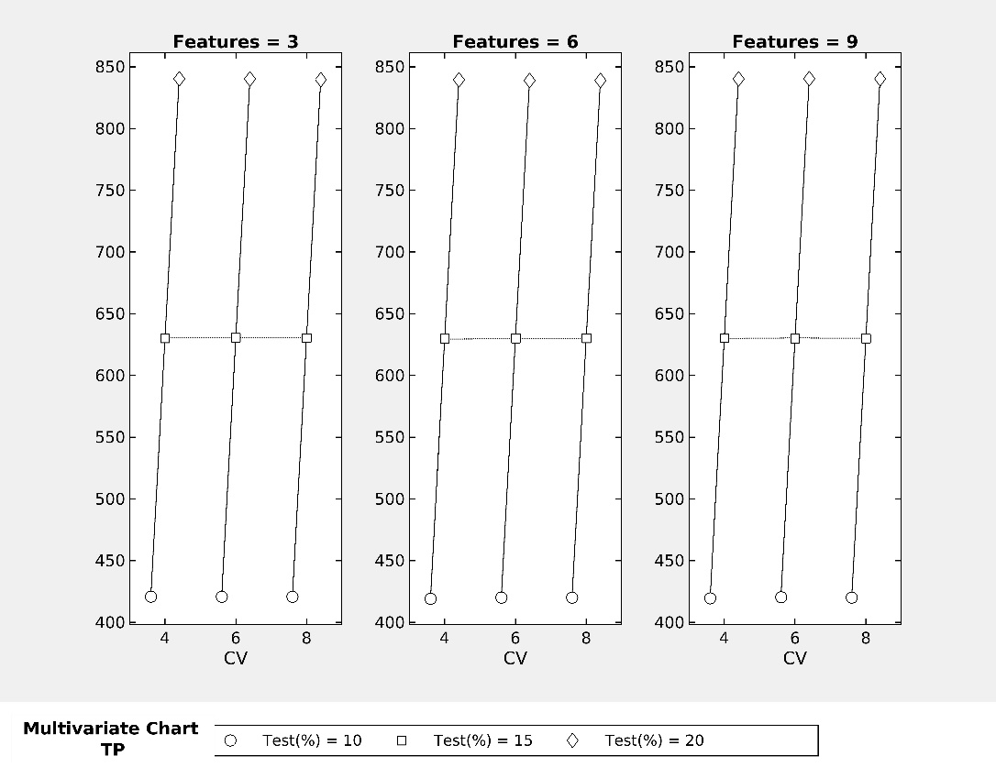
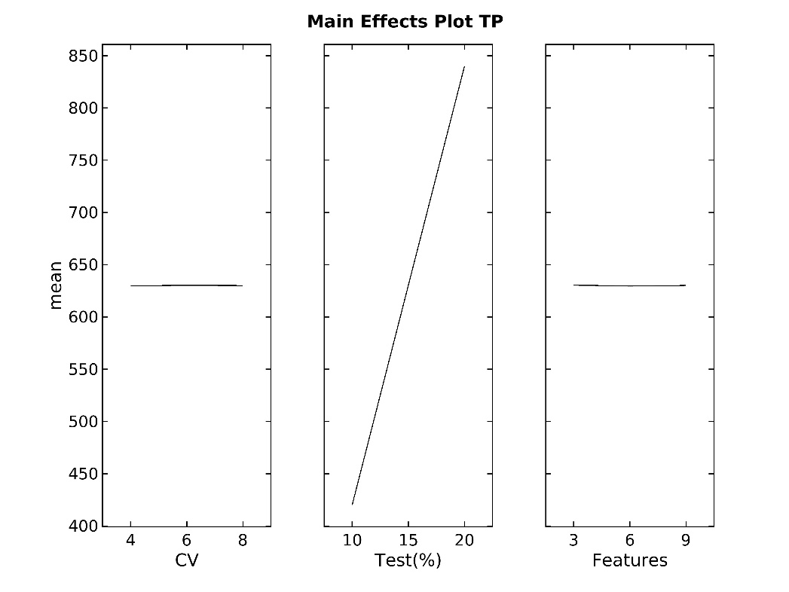
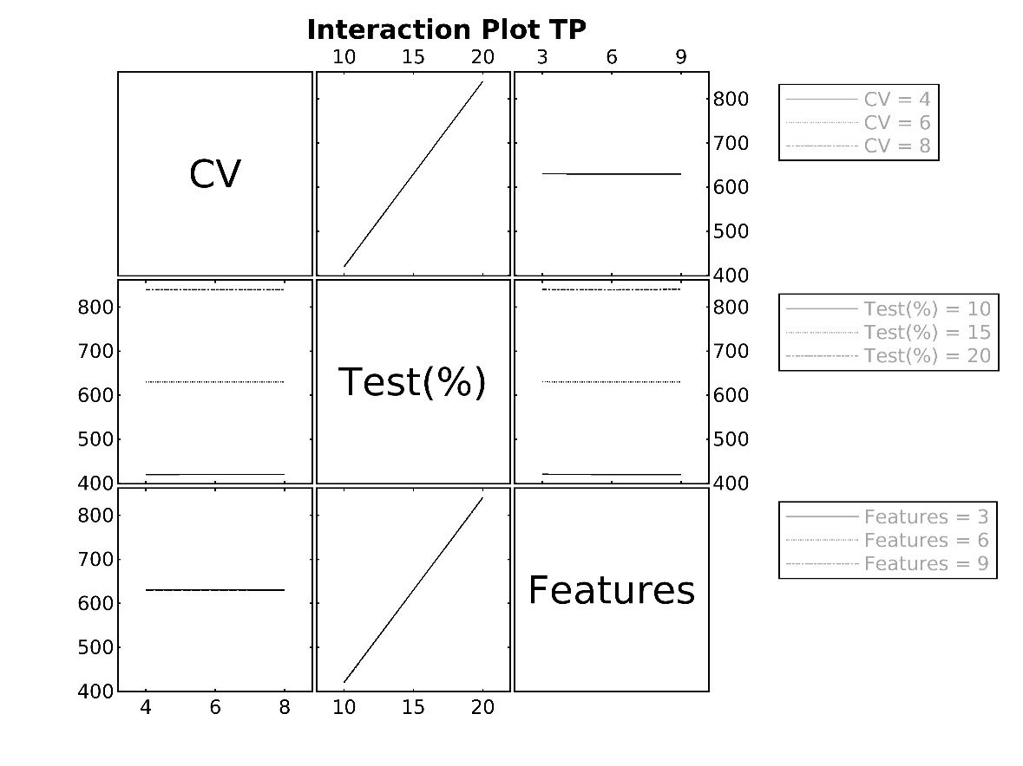
Multivariate Charts Input Data - True Positive
Based on the results of DOE, Cross Validation, Test % and No of Features data were extracted into one table, all the True Positive values of 27 tests. The primary purpose of the this is to compare the overall performance of all those three factors together for True Positive Values.

TP | CV | Test % | Features | Optimizable Tree | Binary GLM Logisitic Regression | Optimizable Naïve Bayes | Optimizable SVM | Efficient Logistic Regression | Efficient Linear SVM | Optimizable KNN | SVM Kernel | Logistic Regression Kernel | Optimizable Ensemble | Optimizable Neural Network
Run1 | 4 | 10 | 3 | 421 | 421 | 418 | 421 | 421 | 421 | 421 | 421 | 421 | 421 | 421
Run2 | 4 | 10 | 6 | 420 | 420 | 411 | 420 | 420 | 420 | 420 | 420 | 420 | 420 | 420
Run3 | 4 | 10 | 9 | 420 | 420 | 414 | 420 | 420 | 420 | 420 | 420 | 420 | 420 | 420
Run4 | 4 | 15 | 3 | 631 | 631 | 622 | 631 | 631 | 631 | 631 | 631 | 631 | 631 | 631
Run5 | 4 | 15 | 6 | 631 | 631 | 618 | 631 | 631 | 631 | 631 | 631 | 631 | 631 | 631
Run6 | 4 | 15 | 9 | 631 | 631 | 624 | 631 | 631 | 631 | 631 | 631 | 631 | 631 | 631
Run7 | 4 | 20 | 3 | 841 | 841 | 833 | 841 | 841 | 841 | 841 | 841 | 841 | 841 | 841
Run8 | 4 | 20 | 6 | 841 | 841 | 823 | 841 | 841 | 841 | 841 | 841 | 841 | 841 | 841
Run9 | 4 | 20 | 9 | 841 | 841 | 831 | 841 | 841 | 841 | 841 | 841 | 841 | 841 | 841
Run10 | 6 | 10 | 3 | 421 | 421 | 418 | 421 | 421 | 421 | 421 | 421 | 421 | 421 | 421
Run11 | 6 | 10 | 6 | 421 | 421 | 411 | 421 | 421 | 421 | 421 | 421 | 421 | 421 | 421
Run12 | 6 | 10 | 9 | 421 | 421 | 415 | 421 | 421 | 421 | 421 | 421 | 421 | 421 | 421
Run13 | 6 | 15 | 3 | 631 | 631 | 627 | 631 | 631 | 631 | 631 | 631 | 631 | 631 | 631
Run14 | 6 | 15 | 6 | 631 | 631 | 620 | 631 | 631 | 631 | 631 | 631 | 631 | 631 | 631
Run15 | 6 | 15 | 9 | 631 | 631 | 621 | 631 | 631 | 631 | 631 | 631 | 631 | 631 | 631
Run16 | 6 | 20 | 3 | 841 | 841 | 832 | 841 | 841 | 841 | 841 | 841 | 841 | 841 | 841
Run17 | 6 | 20 | 6 | 841 | 841 | 819 | 841 | 841 | 841 | 841 | 841 | 841 | 841 | 841
Run18 | 6 | 20 | 9 | 841 | 841 | 835 | 841 | 841 | 841 | 841 | 841 | 841 | 841 | 841
Run19 | 8 | 10 | 3 | 421 | 421 | 418 | 421 | 421 | 421 | 421 | 421 | 421 | 421 | 421
Run20 | 8 | 10 | 6 | 421 | 421 | 412 | 421 | 421 | 421 | 420 | 421 | 421 | 421 | 421
Run21 | 8 | 10 | 9 | 420 | 420 | 421 | 420 | 420 | 420 | 420 | 420 | 420 | 420 | 420
Run22 | 8 | 15 | 3 | 631 | 631 | 625 | 631 | 631 | 631 | 631 | 631 | 631 | 631 | 631
Run23 | 8 | 15 | 6 | 631 | 631 | 623 | 631 | 631 | 631 | 631 | 631 | 631 | 631 | 631
Run24 | 8 | 15 | 9 | 631 | 631 | 619 | 631 | 631 | 631 | 631 | 631 | 631 | 631 | 631
Run25 | 8 | 20 | 3 | 841 | 841 | 826 | 841 | 841 | 841 | 841 | 841 | 841 | 841 | 841
Run26 | 8 | 20 | 6 | 841 | 841 | 820 | 841 | 841 | 841 | 841 | 841 | 841 | 841 | 841
Run27 | 8 | 20 | 9 | 841 | 841 | 833 | 841 | 841 | 841 | 841 | 841 | 841 | 841 | 841

MV Charts - TN
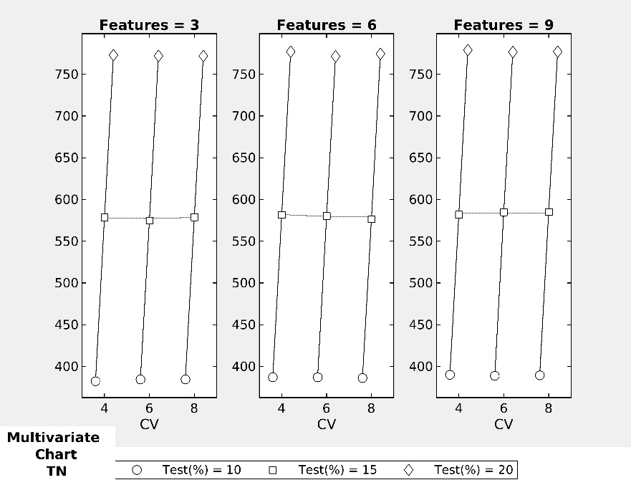
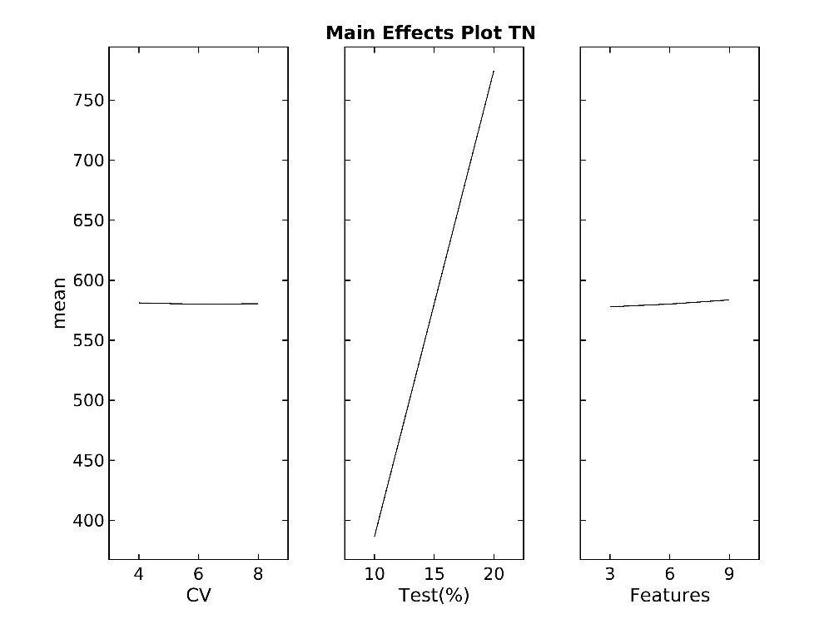
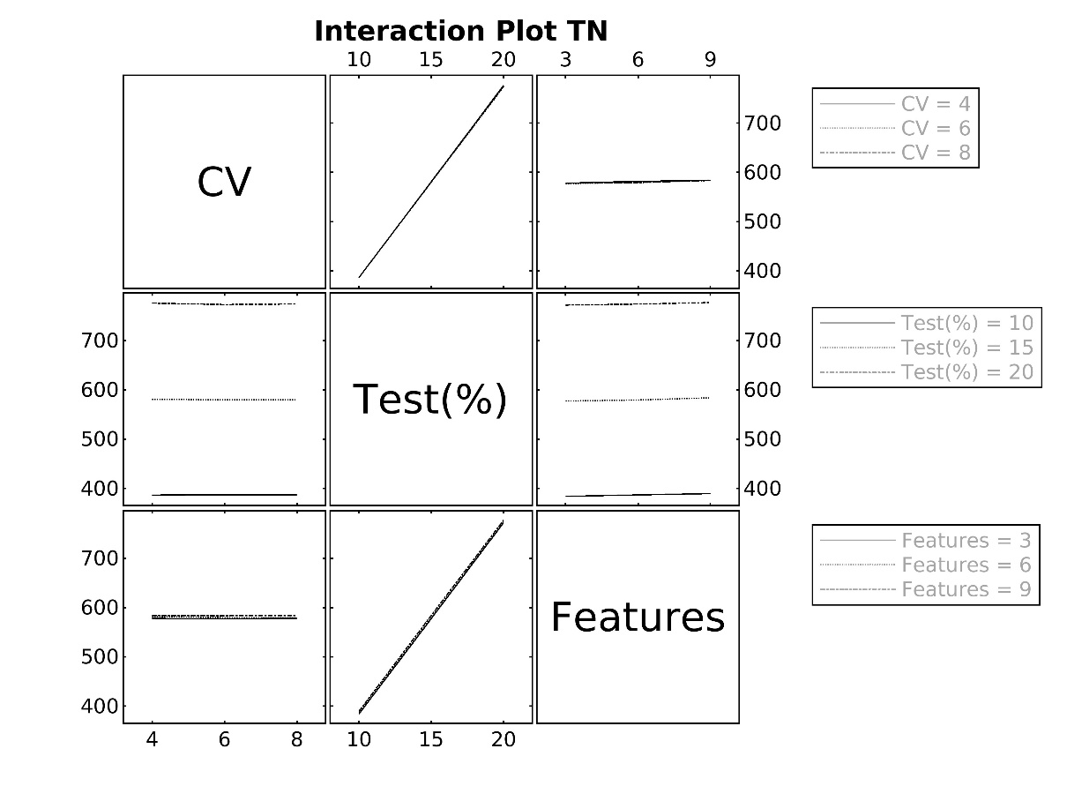
Multivariate Charts Input Data - True Negative
Based on the results of DOE, Cross Validation, Test % and No of Features data were extracted into one table, all the True Negative values of 27 tests. The primary purpose of the this is to compare the overall performance of all those three factors together for True Negative Values

TN | CV | Test % | Features | Optimizable Tree | Binary GLM Logisitic Regression | Optimizable Naïve Bayes | Optimizable SVM | Efficient Logistic Regression | Efficient Linear SVM | Optimizable KNN | SVM Kernel | Logistic Regression Kernel | Optimizable Ensemble | Optimizable Neural Network
Run1 | 4 | 10 | 3 | 383 | 383 | 376 | 383 | 383 | 383 | 383 | 383 | 383 | 383 | 383
Run2 | 4 | 10 | 6 | 391 | 390 | 356 | 390 | 390 | 390 | 390 | 390 | 390 | 390 | 390
Run3 | 4 | 10 | 9 | 392 | 392 | 373 | 392 | 391 | 392 | 392 | 391 | 391 | 392 | 391
Run4 | 4 | 15 | 3 | 579 | 579 | 575 | 579 | 579 | 579 | 579 | 579 | 579 | 579 | 579
Run5 | 4 | 15 | 6 | 587 | 587 | 529 | 587 | 587 | 587 | 587 | 587 | 587 | 587 | 587
Run6 | 4 | 15 | 9 | 587 | 587 | 540 | 587 | 584 | 587 | 587 | 584 | 584 | 587 | 587
Run7 | 4 | 20 | 3 | 774 | 774 | 762 | 774 | 774 | 774 | 774 | 774 | 774 | 774 | 774
Run8 | 4 | 20 | 6 | 783 | 783 | 717 | 783 | 783 | 783 | 783 | 783 | 783 | 783 | 783
Run9 | 4 | 20 | 9 | 783 | 783 | 741 | 783 | 782 | 783 | 783 | 782 | 782 | 783 | 783
Run10 | 6 | 10 | 3 | 385 | 385 | 380 | 385 | 385 | 385 | 385 | 385 | 385 | 385 | 385
Run11 | 6 | 10 | 6 | 391 | 391 | 352 | 391 | 391 | 386 | 391 | 391 | 390 | 391 | 391
Run12 | 6 | 10 | 9 | 391 | 391 | 369 | 391 | 390 | 391 | 391 | 390 | 390 | 391 | 391
Run13 | 6 | 15 | 3 | 576 | 576 | 563 | 576 | 576 | 576 | 576 | 576 | 576 | 576 | 576
Run14 | 6 | 15 | 6 | 585 | 585 | 532 | 585 | 585 | 585 | 585 | 585 | 585 | 585 | 585
Run15 | 6 | 15 | 9 | 587 | 587 | 565 | 587 | 587 | 587 | 587 | 587 | 587 | 587 | 587
Run16 | 6 | 20 | 3 | 773 | 773 | 762 | 773 | 773 | 773 | 773 | 773 | 773 | 773 | 773
Run17 | 6 | 20 | 6 | 781 | 781 | 698 | 781 | 765 | 781 | 781 | 779 | 778 | 781 | 781
Run18 | 6 | 20 | 9 | 783 | 783 | 721 | 783 | 780 | 783 | 783 | 780 | 780 | 783 | 783
Run19 | 8 | 10 | 3 | 385 | 385 | 380 | 385 | 385 | 385 | 385 | 385 | 385 | 385 | 385
Run20 | 8 | 10 | 6 | 390 | 390 | 346 | 390 | 390 | 390 | 391 | 390 | 390 | 390 | 390
Run21 | 8 | 10 | 9 | 392 | 392 | 366 | 392 | 391 | 392 | 392 | 391 | 391 | 392 | 392
Run22 | 8 | 15 | 3 | 580 | 580 | 568 | 580 | 580 | 580 | 580 | 580 | 580 | 580 | 580
Run23 | 8 | 15 | 6 | 583 | 583 | 510 | 583 | 583 | 583 | 587 | 583 | 582 | 583 | 583
Run24 | 8 | 15 | 9 | 587 | 587 | 567 | 587 | 587 | 587 | 587 | 587 | 587 | 587 | 587
Run25 | 8 | 20 | 3 | 773 | 773 | 761 | 773 | 773 | 773 | 773 | 773 | 773 | 773 | 773
...
TN | CV | Test % | Features | Optimizable Tree | Binary GLM Logisitic Regression | Optimizable Naïve Bayes | Optimizable SVM | Efficient Logistic Regression | Efficient Linear SVM | Optimizable KNN | SVM Kernel | Logistic Regression Kernel | Optimizable Ensemble | Optimizable Neural Network
Run27 | 8 | 20 | 9 | 783 | 783 | 723 | 783 | 781 | 783 | 783 | 781 | 781 | 783 | 783

MV Charts- FP
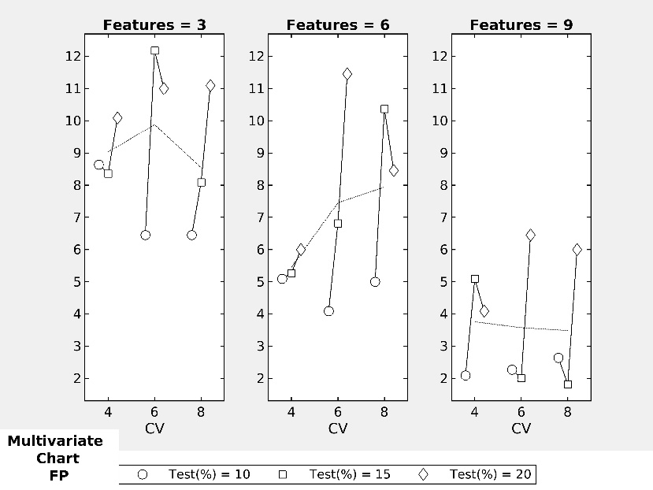
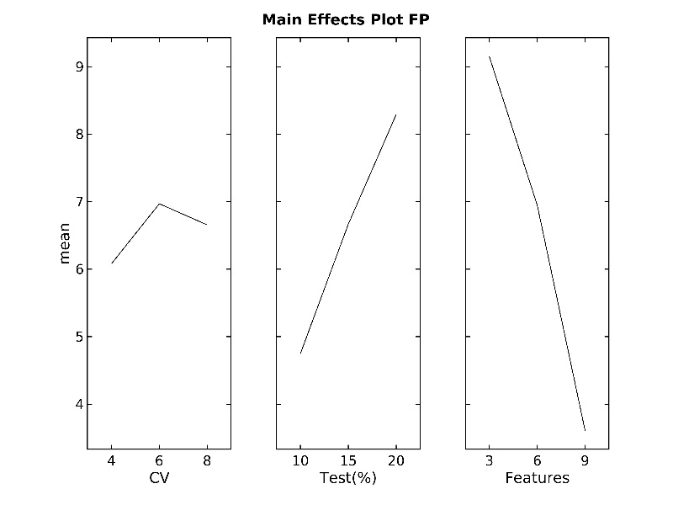
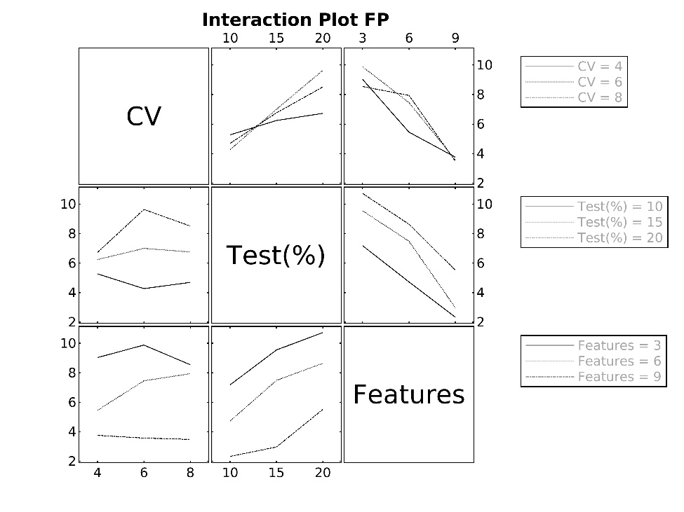
Multivariate Charts Input Data - False Positive
Based on the results of DOE, Cross Validation, Test % and No of Features data were extracted into one table, False Positive values of 27 tests. The primary purpose of the this is to compare the overall performance of all those three factors together for False Positive Values

FP | CV | Test % | Features | Optimizable Tree | Binary GLM Logisitic Regression | Optimizable Naïve Bayes | Optimizable SVM | Efficient Logistic Regression | Efficient Linear SVM | Optimizable KNN | SVM Kernel | Logistic Regression Kernel | Optimizable Ensemble | Optimizable Neural Network
Run1 | 4 | 10 | 3 | 8 | 8 | 15 | 8 | 8 | 8 | 8 | 8 | 8 | 8 | 8
Run2 | 4 | 10 | 6 | 2 | 2 | 36 | 2 | 2 | 2 | 2 | 2 | 2 | 2 | 2
Run3 | 4 | 10 | 9 | 0 | 0 | 19 | 0 | 1 | 0 | 0 | 1 | 1 | 0 | 1
Run4 | 4 | 15 | 3 | 8 | 8 | 12 | 8 | 8 | 8 | 8 | 8 | 8 | 8 | 8
Run5 | 4 | 15 | 6 | 0 | 0 | 58 | 0 | 0 | 0 | 0 | 0 | 0 | 0 | 0
Run6 | 4 | 15 | 9 | 0 | 0 | 47 | 0 | 3 | 0 | 0 | 3 | 3 | 0 | 0
Run7 | 4 | 20 | 3 | 9 | 9 | 21 | 9 | 9 | 9 | 9 | 9 | 9 | 9 | 9
Run8 | 4 | 20 | 6 | 0 | 0 | 66 | 0 | 0 | 0 | 0 | 0 | 0 | 0 | 0
Run9 | 4 | 20 | 9 | 0 | 0 | 42 | 0 | 1 | 0 | 0 | 1 | 1 | 0 | 0
...
Run21 | 8 | 10 | 9 | 0 | 0 | 26 | 0 | 1 | 0 | 0 | 1 | 1 | 0 | 0
Run22 | 8 | 15 | 3 | 7 | 7 | 19 | 7 | 7 | 7 | 7 | 7 | 7 | 7 | 7
Run23 | 8 | 15 | 6 | 4 | 4 | 77 | 4 | 4 | 4 | 0 | 4 | 5 | 4 | 4
Run24 | 8 | 15 | 9 | 0 | 0 | 20 | 0 | 0 | 0 | 0 | 0 | 0 | 0 | 0
Run25 | 8 | 20 | 3 | 10 | 10 | 22 | 10 | 10 | 10 | 10 | 10 | 10 | 10 | 10
Run26 | 8 | 20 | 6 | 1 | 1 | 83 | 1 | 1 | 1 | 1 | 1 | 1 | 1 | 1
Run27 | 8 | 20 | 9 | 0 | 0 | 60 | 0 | 2 | 0 | 0 | 2 | 2 | 0 | 0

MV Charts- FN
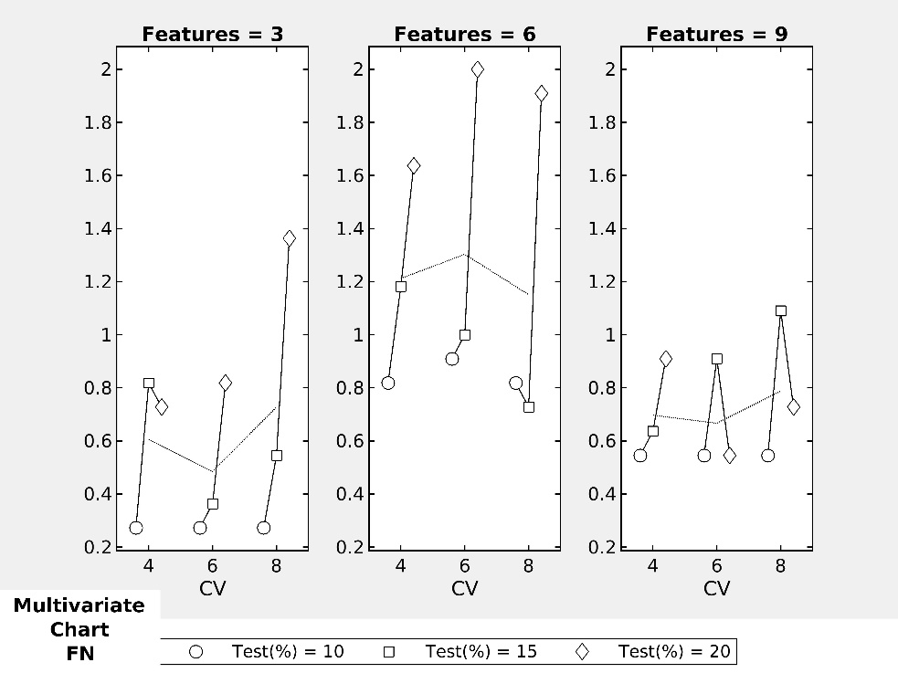
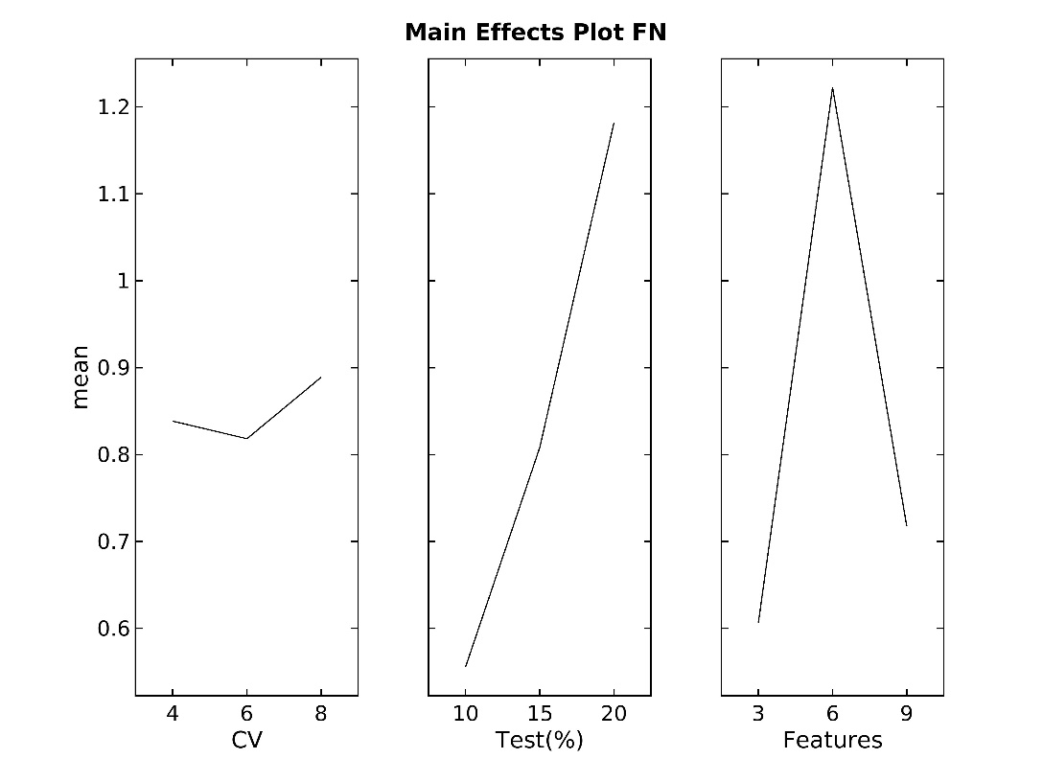
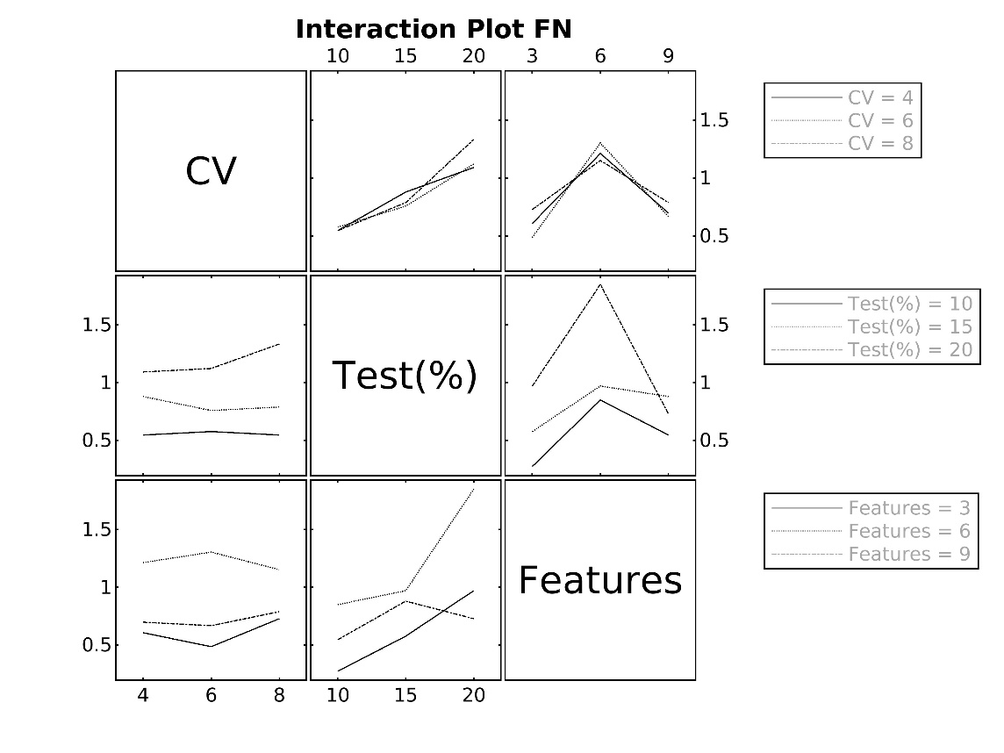
Multivariate Charts Input Data - False Negative
Based on the results of DOE, Cross Validation, Test % and No of Features data were extracted into one table ,False Negative values of 27 tests. The primary purpose of the this is to compare the overall performance of all those three factors together for False Negative Values

FN | CV | Test % | Features | Optimizable Tree | Binary GLM Logisitic Regression | Optimizable Naïve Bayes | Optimizable SVM | Efficient Logistic Regression | Efficient Linear SVM | Optimizable KNN | SVM Kernel | Logistic Regression Kernel | Optimizable Ensemble | Optimizable Neural Network
Run1 | 4 | 10 | 3 | 0 | 0 | 3 | 0 | 0 | 0 | 0 | 0 | 0 | 0 | 0
Run2 | 4 | 10 | 6 | 0 | 0 | 9 | 0 | 0 | 0 | 0 | 0 | 0 | 0 | 0
Run3 | 4 | 10 | 9 | 0 | 0 | 6 | 0 | 0 | 0 | 0 | 0 | 0 | 0 | 0
Run4 | 4 | 15 | 3 | 0 | 0 | 9 | 0 | 0 | 0 | 0 | 0 | 0 | 0 | 0
Run5 | 4 | 15 | 6 | 0 | 0 | 13 | 0 | 0 | 0 | 0 | 0 | 0 | 0 | 0
Run6 | 4 | 15 | 9 | 0 | 0 | 7 | 0 | 0 | 0 | 0 | 0 | 0 | 0 | 0
Run7 | 4 | 20 | 3 | 0 | 0 | 8 | 0 | 0 | 0 | 0 | 0 | 0 | 0 | 0
Run8 | 4 | 20 | 6 | 0 | 0 | 18 | 0 | 0 | 0 | 0 | 0 | 0 | 0 | 0
Run9 | 4 | 20 | 9 | 0 | 0 | 10 | 0 | 0 | 0 | 0 | 0 | 0 | 0 | 0
...
Run24 | 8 | 15 | 9 | 0 | 0 | 12 | 0 | 0 | 0 | 0 | 0 | 0 | 0 | 0
Run25 | 8 | 20 | 3 | 0 | 0 | 15 | 0 | 0 | 0 | 0 | 0 | 0 | 0 | 0
Run26 | 8 | 20 | 6 | 0 | 0 | 21 | 0 | 0 | 0 | 0 | 0 | 0 | 0 | 0
Run27 | 8 | 20 | 9 | 0 | 0 | 8 | 0 | 0 | 0 | 0 | 0 | 0 | 0 | 0

MV Charts- CPU Time
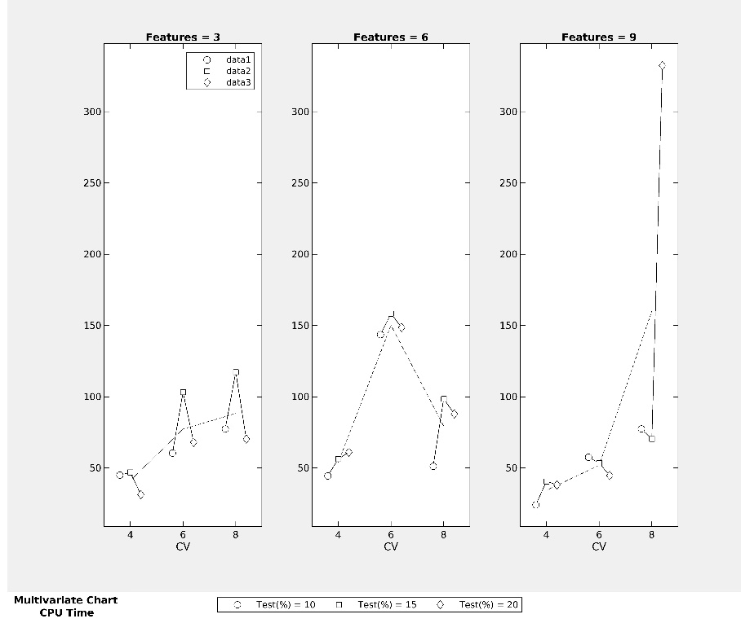
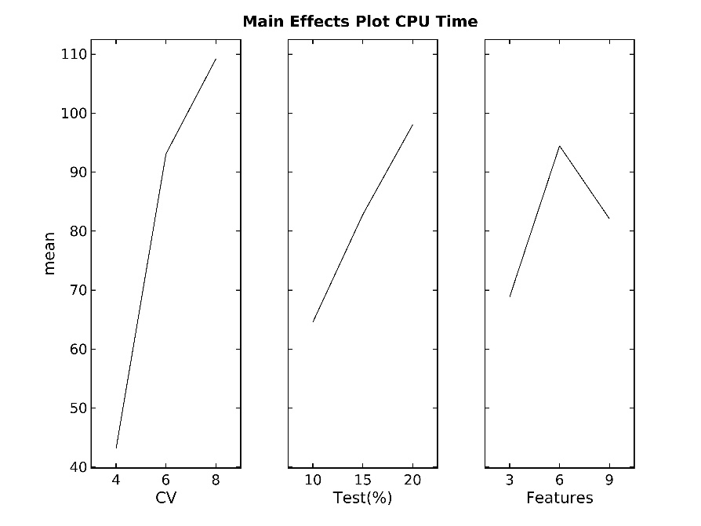
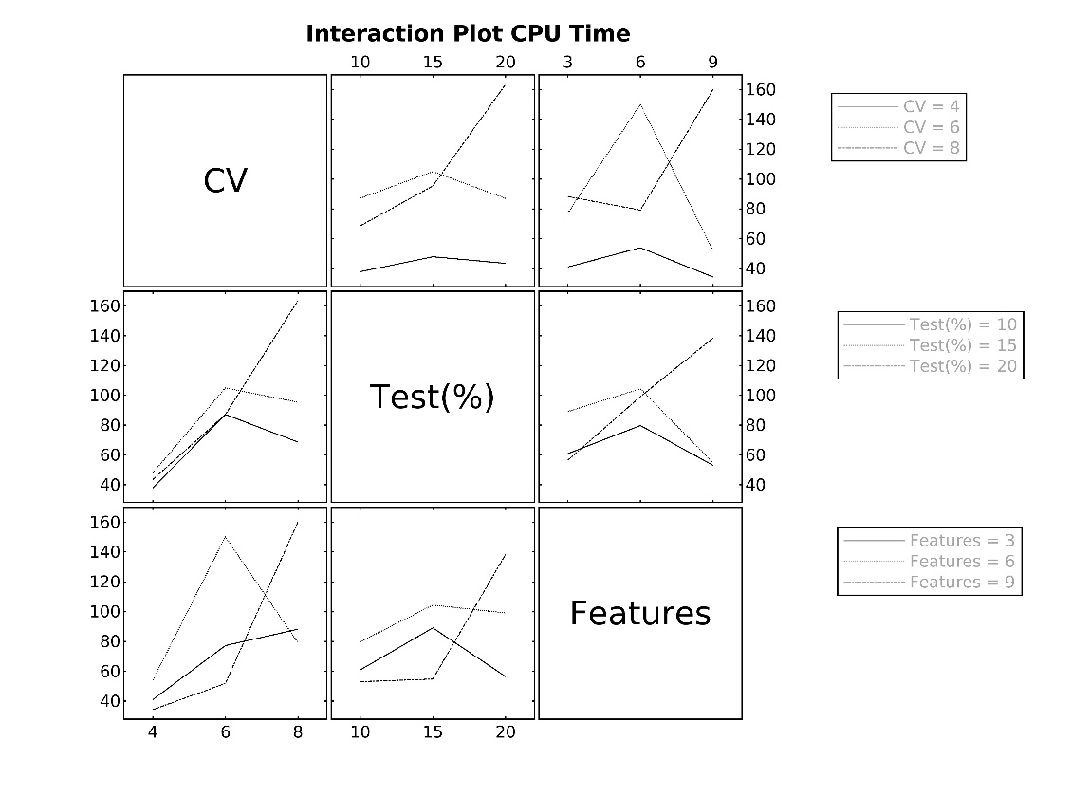
Multivariate Charts Input Data - CPU Time (Training Time)
Based on the results of DOE, Cross Validation, Test % and No of Features data were extracted into one table ,Training Time values of 27 tests. The primary purpose of the this is to compare the overall performance of all those three factors together for Training Time Values

CPU Time | CV | Test % | Features | Optimizable Tree | Binary GLM Logisitic Regression | Optimizable Naïve Bayes | Optimizable SVM | Efficient Logistic Regression | Efficient Linear SVM | Optimizable KNN | SVM Kernel | Logistic Regression Kernel | Optimizable Ensemble | Optimizable Neural Network
Run1 | 4 | 10 | 3 | 17.898 | 6.2386 | 17.084 | 45.89 | 7.7652 | 6.9636 | 56.463 | 11.548 | 4.9913 | 148.4 | 172.16
Run2 | 4 | 10 | 6 | 10.319 | 3.2387 | 12.316 | 52.286 | 3.5167 | 5.8735 | 25.751 | 26.181 | 5.2126 | 37.412 | 307.48
Run3 | 4 | 10 | 9 | 10.138 | 5.1305 | 12.095 | 45.89 | 4.9746 | 4.7538 | 30.241 | 22.286 | 6.5582 | 45.486 | 78.149
Run4 | 4 | 15 | 3 | 10.141 | 1.7994 | 14.095 | 33.395 | 4.3005 | 4.3593 | 17.316 | 9.6576 | 3.9865 | 81.866 | 334.57
Run5 | 4 | 15 | 6 | 19.306 | 11.411 | 18.096 | 51.74 | 2.6798 | 11.233 | 64.223 | 25.057 | 7.5315 | 53.38 | 354.68
Run6 | 4 | 15 | 9 | 12.123 | 3.4431 | 20.221 | 65.754 | 2.9323 | 4.4456 | 30.562 | 36.788 | 10.047 | 92.696 | 168.28
Run7 | 4 | 20 | 3 | 13.326 | 2.3719 | 11.538 | 43.146 | 3.633 | 6.3042 | 20.131 | 6.3774 | 3.6475 | 76.295 | 157.93
Run8 | 4 | 20 | 6 | 9.6932 | 3.913 | 12.428 | 53.544 | 2.695 | 4.0505 | 26.104 | 15.945 | 6.6983 | 59.549 | 477.71
Run9 | 4 | 20 | 9 | 12.993 | 3.314 | 13.61 | 59.329 | 3.8106 | 4.7233 | 30.157 | 32.039 | 6.7743 | 82.238 | 170.62
...
Run25 | 8 | 20 | 3 | 23.91 | 9.3768 | 25.835 | 86.294 | 5.7892 | 9.0538 | 55.943 | 18.77 | 8.1342 | 257.77 | 271.46
Run26 | 8 | 20 | 6 | 18.84 | 7.4787 | 19.876 | 82.087 | 6.4356 | 5.6518 | 62.68 | 40.021 | 14.365 | 115.43 | 594.02
Run27 | 8 | 20 | 9 | 626.34 | 621.99 | 623.78 | 1345.4 | 2.1315 | 2.6456 | 63.777 | 49.668 | 13.103 | 124.76 | 181.83

